Main
SAP S/4HANA 1909 FPS02 Fully-Activated Appliance | https://blogs.sap.com/2019/04/23/sap-s4hana-fully-activated-appliance-demo-guides/

S/4HANA 1709 FPS1 Fully-Activated Appliance | https://blogs.sap.com/2018/10/07/s4hana-1709-fps1-fully-activated-appliance-installation/

S/4HANA 1909 FPS1 | https://blogs.sap.com/2020/06/04/s-4hana-1909-fps1-fully-activated-appliance-installation/

Please download the software media from https://launchpad.support.sap.com/#/softwarecenter
SAP S/4HANA => SAP S/4HANA 1909 => S/4HANA FULLY-ACTIVATED APPLIANCE => SAP S/4HANA 1909 FPS01 FA APPL

Download the 51054391_* files and SWPM20SP05_8-80003424.SAR on SAP S/4HANA Server.

Download the 51054392, SWPM10SP28_7-20009701.SAR and 51050829_JAVA_part 1 & 2 – NW 7.5 Java based SW Comp on the SAP NW JAVA / ADS server.

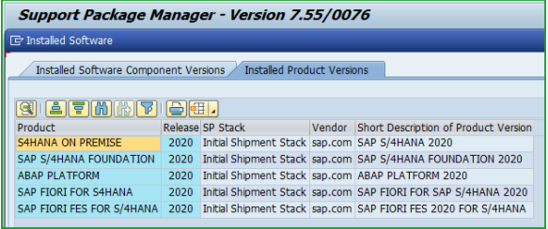
New Installation of SAP S/4HANA 2020 FPS0 – Part 1 – Maintenance Planner | SAP Blogs
Description | Disk
Installation tool MGR 2.0 sp level 007:
SWPM20SP07_0-80003424.SAR – Latest version of Software Provisioning Manager
SUM20SP09_0-80002456.SAR – Latest version of Software Update Manager

S4 Hana 2020 Java | 51054508

Software Downloads => SUPPORT PACKAGES AND PATCHES => SAP HANA PLATFORM EDITION => SAP HANA DATABASE 2.0
IMDB_SERVER20_052_0-80002031.SAR – Latest version of SAP HANA Database as of this blog (Linux x86_64 64bit)

You also need to download latest version of the SAP HANA client from Software Downloads => SUPPORT PACKAGES AND PATCHES => SAP HANA PLATFORM EDITION => SAP HANA CLIENT 2.0 IMDB_CLIENT20_006_54-80002082.SAR – SAP HANA Client (Linux x86_64 64bit)

If you want to install LiveCache you will require the SAP HANA database LCAPPS plugin from Software Downloads => SUPPORT PACKAGES AND PATCHES => SAP HANA PLATFORM EDIT 1.0 => HANA LCAPPS => SAP HANA LCAPPS 1.00
IMDB_LCAPPS_2052_0-20010426.SAR – Corresponding version of SAP HANA LCAPPS (Linux x86_64 64bit)

OTHER FILES:
In addition, please download file/s for best practices content activation from SAP Note 2914417 – SAP S/4HANA – SAP S/4HANA 2020 FP-Stack 00 (10/2020) content activation note The file will be in this format BPS4CONT202000_0_0-70005217.ZIP

crlbag.p7s from https://tcs.mysap.com/crl/crlbag.p7s

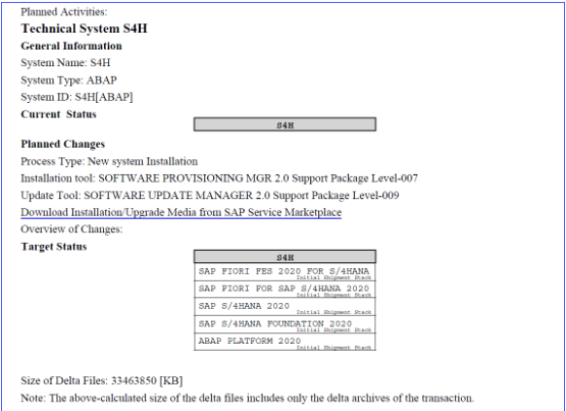
Linux on x86_64 bit

New Installation of SAP S/4HANA 2020 FPS0 – Part 2 – Installation | SAP Blogs
STEP 1: OPERATING SYSTEM

It is recommended to install minimum SuSE Linux version 15. Refer
SAP Note 2235581 – SAP HANA: Supported Operating Systems.
SAP Note 2399995 – Hardware requirement for SAP HANA 2.0
SAP Note 2620910 – SAP S/4HANA 1511, 1610, 1709 and SAP BW/4HANA 1.0: Recommended Application Server Platforms
SAP Note 2684254 – SAP HANA DB: Recommended OS settings for SLES 15 / SLES for SAP Applications 15
STEP 2: SAP HANA DATABASE

It is recommended to install minimum SAP HANA 2.0 SP05 rev52
SAP Note 2655761 – SAP S/4HANA – restrictions and recommendations regarding specific revisions of SAP HANA database for use in SAP S/4HANA
SAP Note 2844322 – SAP HANA Platform 2.0 SPS 05 Release Note
SAP Note 2955475 – SAP HANA 2 SPS05 Revision 052.00
SAP Note 2423367 – Multitenant database containers will become the standard and only operation mode
SAP Note 2469025 – How-To: Upgrading to SAP HANA 2.0
We will install HANA database through SWPM. So you need to have the SAR file IMDB_SERVER20_052_0-80002031.SAR available along with SAP HANA Client IMDB_CLIENT20_006_54-80002082.SAR
STEP 3: SAP S/4HANA INSTALLATION USING SWPM

TIP: You don’t need to extract the backup zip files S4CORE105_INST_EXPORT_*.zip. SWPM tool will extract them into /usr/sap/HDB/HDB02/backup/data/DB_HDB. Ensure sufficient space of 100GB is available in this folder.
We will use the procedure for SWPM+SUM combined installation and you don’t need the SYSTEM/DDIC password from backup Database/ABAP instance.
Extract the SWPM SAR file as below
STEP 4: ADDON INSTALLATION USING SUM TOOL

As we executed combined SWPM+SUM you should have filesystem /usr/sap/S4H/SUM and you should directly jump to url https://vhcals4hci:1129/lmsl/sumabap/S4H/doc/slui
STEP 5: SAP S/4HANA RELEASE INFORMATION NOTE

Please apply the 12 notes below to the installed instance as per SAP Note 2912253 – SAP S/4HANA 2020 Feature Package Stack 00: Additional Release Information these notes are only for SAP S/4HANA 2020 FPS0 only

Install steps
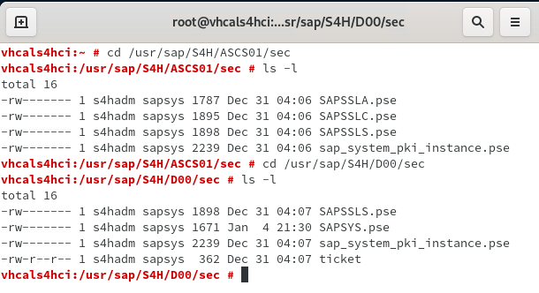
STEP1 : Operating system | Comments
Create Virtual machine in Oracle VM
Create Virtual machine in Vmware VM
install suse linux server in VM
login with user root
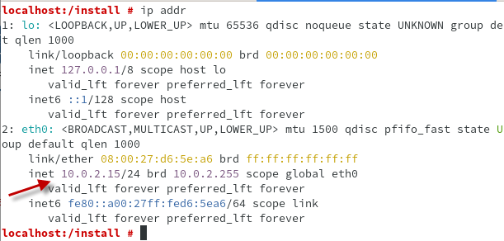
zypper in uuidd | install this package
Oracle VM: installing Virtualbox Guest Additions (see tab for details) | may require a reboot and try 2 times
cd | displays shared folder
Vmware VM: sudo vmhgfs-fuse -o nonempty -o allow_other .host:/S4HANA /mnt | Mount shared folder | sudo vmhgfs-fuse -o allow_other .host:/S4HANA /mnt
Vmware VM: sudo vmhgfs-fuse .host:/S4HANA /mnt | Mount shared folder
ip addr | displays IP address: 10.0.2.15
Vmware VM: ip addr | displays IP address: 192.168.152.135 | displays IP address: 192.168.136.129
edit /etc/hosts | 10.0.2.15 vhcals4hci.dummy.nodomain vhcals4hci
edit /etc/hosts | 10.0.2.15 vhcalhdbdb.dummy.nodomain vhcalhdbdb
Vmware VM: edit /etc/hosts | 192.168.152.135 vhcals4hci.dummy.nodomain vhcals4hci | 192.168.136.129 vhcals4hci.dummy.nodomain vhcals4hci
 | 192.168.152.135 vhcalhdbdb.dummy.nodomain vhcalhdbdb | 192.168.136.129 vhcalhdbdb.dummy.nodomain vhcalhdbdb
edit /etc/hostname | vhcals4hci
For the selected services at least 20480 MB swap space are recommended. Current value is: 0 MB. (Updated 2019-03-15)
free -h | display no swap data
fallocate -l 20G /swapfile
chmod 600 /swapfile
mkswap /swapfile
swapon /swapfile → see tab swap file | swapoff /swapfile (to inactivate)
cp /etc/fstab /etc/fstab.back
edit /etc/fstab | add line: /swapfile none swap sw 0 0
md sapmedia
cd media/sf_S4HANA
Vmware VM: cd /mnt
cp -R * /sapmedia | Copy files from C:\S4HANA into /sapmedia
cd /sapmedia
chmod -R 775 *
zypper install insserv | Required for HANA database
zypper in uuidd | install this package
zypper install libgcc_s1 libstdc++6 libatomic1 | Note 2886607
sudo zypper install tcsh
STEP 2: SAP HANA DATABASE | install HANA database through SWPM in step 3
cd /sapmedia
/sapmedia/SAPCAR_1324-80000935.EXE -xvf IMDB_SERVER20_053_0-80002031.SAR
/sapmedia/SAPCAR_1324-80000935.EXE -xvf IMDB_SERVER20_053_0-80002031.SAR -manifest SIGNATURE.SMF
mv SAP_HANA_DATABASE HANA2_53

/sapmedia/SAPCAR_1324-80000935.EXE -xvf IMDB_LCAPPS_2053_0-20010426.SAR | Optional
mv SAP_HANA_LCAPPS HANA2_53_LCAPPS

cd /sapmedia/HANA2_53
./hdblcm
./hdblcmgui --ignore=check_min_mem
Database Host vhcalhdbdb
Instance Number 02
Database ID (DBSID)HDB
System Administrator User ID: 1003
SYSTEM PASSWORD | Pajoja2930
STEP 3: SAP S/4HANA INSTALLATION USING SWPM
md install
cd /install
Using the latest version of SAPCAR, you can verify the signature of the downloaded SWPM20SP<Support Package Number>_<Version Number>.SAR archive as follows: a) Get the latest version of the SAPCRYPTOLIB archive to your installation host as follows:
1. Go to https://launchpad.support.sap.com/#/softwarecenter SUPPORT PACKAGES & PATCHES and search for “sapcryptolib”.2. Select the archive file for your operating system and download it to the same directory where you have put the SAPCAR executable.3. Go to the SAPCAR directory and use the following command to extract the SAPCRYPTOLIB archive to the same directory where you have put the SAPCAR executable:./sapcar –xvf sapcryptolibp_84…sar4. Download the Certificate Revocation List from https://tcs.mysap.com/crl/crlbag.p7s and move it to the SAPCAR directory. b. Verify the signature of the downloaded SWPM20SP<Support Package Number>_<Version Number>.SAR archive by executing the following command: /<Path to SAPCAR>/sapcar -tvVf <Path to Download Directory>/SWPM20SP<Support Package Number>_<Version Number>.SAR -crl<File Name of Revocation List>
/sapmedia/SAPCAR_1324-80000935.EXE -xvf /sapmedia/download/SWPM20SP07_4-80003424.SAR
Step State Editor
start installer with SAPINST_SET_STEPSTATE=true
start installer with SAPINST_SKIP_ERRORSTEP=true
./sapinst SAPINST_USE_HOSTNAME=vhcals4hci SAPINST_ACCEPT_INTERNAL_SIGNATURE=true | ./sapinst SAPINST_USE_HOSTNAME=vhcals4hci SAPINST_ACCEPT_INTERNAL_SIGNATURE=true SAPINST_STACK_XML=/sapmedia/download/MP_Stack_1001046298_2020107_.xml
Open Firefox browser
https://localhost:4237/sapinst/docs/index.html
https://vhcals4hci.dummy.nodomain:4237/sapinst/docs/index.html
user | root
select SAP S/4HANA Server 2020 > SAP HANA Database > Installation > Application Server ABAP > Standard System > Standard System
select custom
Parameters
Database Host vhcalhdbdb
Instance Number 02
Database ID (DBSID)HDB

Sap host vhcals4hci
Sap id S4H
Ascs instance 01
pass: Pajoja2930

Abap Message server port: 3601
Internal Abap message server port: 3901
security use default

HTTPS Port 44301 | In the manual shows 44300

enable checkmarks at Install integrated web dispatcher and Install Gateway integrated in ASCS instance a
Copy security keys into tab "Secure storage key"
Tick on Yes, clean up operating system users

override memory check with command line option --ignore=check_min_mem
./hdbinst --ignore=check_min_mem
51046016/DATA_UNITS/HDB_SERVER_LINUX_X86_64/hdbinst ­-s [SID] -­n [Instance_number] ­-H [Hostname] ­--datapath=[paht_data] ­­--logpath=[path_log] ­­--sapmnt=[path_shared] ­­--ignore=check_min_mem
using a file called HanaHwCheck.py in the HDB_SERVER_LINUX_X86_64/server location Rename the file HanaHwCheck.py and create an empty file called HanaHwCheck.py
Current Logfiles: [/tmp/HDB_SL_Logfile.log, /tmp/sapinst_instdir/S4HANA2020/CORE/HDB/INSTALL/STD/ABAP/HdbCmdOut.log, /var/tmp/hdb_HDB_hdblcm_install_2020-12-13_22.35.34/hdblcm.log'
The check is automatically delivered with your Revision and can be standalone executed anytime. It is a python script named 'HanaHwCheck.py' and located in '/usr/sap/<SID>/HDB<instanceNumber>/exe/python_support'. In this directory a 'python HanaHwCheck.py' command will execute the check. Please be aware that due to some dmidecode commands in the check it has to be executed as root

Install Hana database: Output line 1: /sbin/insserv: No such file or directory | Note 2892338: zypper install insserv
zypper install insserv | Note 2892338: zypper install insserv

Error extracting /sapmedia/download/exp/S4CORE105_INST_EXPORT_5.zip: permission denied
chmod 0777 to the folders and files

Create ICM userstore - error
call '/usr/sap/S4H/SYS/exe/uc/linuxx86_64/saplikey pf=/usr/sap/S4H/SYS/profile/S4H_D00_vhcals4hci -install_first_temp Z0201432230 XXXXXX' exits with error code 2. For details see log file(s) saplikey.log, dev_slic) | Note 2450399
Related note but for Oracle database: 602843 - Environment settings for R/3/Oracle on UNIX
check dbms/type = hdb is set in profile DEFAULT.PFL and Instlance Profile. set the OS env by set env dbms/type = hdb | Note 2653095
set the following parameter in the environment of <SID>adm user: dbms_type = hdb
printenv to display environment variables
Add dbms_type = hdb into file /usr/sap/S4H/SYS/profile/S4H_D00_vhcals4hci

Connect to message server (vhcals4hci/3601) failed: MSENILAYER)
See note 2179550
Check the dev_ms file which can be found under the ASCS<nn>/work directory
sapcontrol -nr 01 -function GetProcessList where <nn>=01
If you want to start all SAP system instances running on the same host, execute the following command:
New style: startsap or startsap -t all
Old style: startsap or startsap all
If you want to start SAP system instances separately, enter the following command:
New style: startsap -t r3|j2ee -i <instance>[-v " <virtual host name>"]
Old style: startsap r3|j2ee <instance>[ <virtual host name>]
msmon pf=/sapmnt/S4H/profile/DEFAULT.PFL
msmon pf=\\vhcals4hci/sapmnt/S4H/SYS/profile/DEFAULT.PFL
sapstart ALL
WARNING => NiIInit: max number of open files per process (1024) < max number of NI handles (2048)
ERROR => NiPConnect2: SiPeekPendConn failed for hdl 1/sock 3
2020-12-14 22:21:01.812377 [139976737620032] >> Error entry The UUID daemon (uuidd) is not active. Please ask your system administrator to activate uuidd according to SAP note 1391070 | File /usr/sap/S4H/ASCS01/work/dev_rfc.log
ERROR => secussl_Create_SSL_CTX(): PSE "/usr/sap/S4H/ASCS01/sec/SAPSSLS.pse" | File /usr/sap/S4H/ASCS01/work/dev_webdisp
zypper in uuidd | install this package
/usr/sap/S4H/ASCS01/exe/sapcontrol -prot NI_HTTP -nr 01 -function Start | Start SAP instance
/usr/sap/S4H/D00/exe/sapcontrol -prot NI_HTTP -nr 00 -function Start | Start SAP instance

Process call '/usr/sap/S4H/SYS/exe/uc/linuxx86_64/saplikey pf=/usr/sap/S4H/SYS/profile/S4H_D00_vhcals4hci -install_first_temp Z0201432230 XXXXXX' exits with error code 2. For details see log file(s) saplikey.log, dev_slic)
saplikey.log, dev_slic | /tmp/sapinst_instdir/S4HANA2020/CORE/HDB/INSTALL/STD/ABAP
ERROR => Connect to database failed, rc=1, rcSQL=-10709 | File dev_likey
/usr/sap//D00/exe/libsapcrypto.so: cannot open shared object file: No such file or directory | File dev_sap_kernel
Path is incorrect /usr/sap/S4H/D00
See note 2919754
DIR_LIBRARY ('/usr/sap/<SID>/SYS/exe/run') or dbms_type ('hdb')"
export DIR_LIBRARY="/usr/sap/S4H/SYS/exe/run"
echo DIR_LIBRARY

zypper install libgcc_s1 libstdc++6 libatomic1 | Note 2886607
note 2393060
HDB start | Start HANA database
HDB stop | Stop HANA database
su hdbadm | dispaly HANA database status
sapcontrol -nr 02 -function GetProcessList | dispaly HANA database status
startsap | Start S4 Hana
An error occurred while processing option SAP S/4HANA Server 2020 > SAP HANA Database > Installation > Application Server ABAP > Standard System > Standard System(Last error reported by the step: Error during execution of HdbCmdClazz 'FIND_UNUSED_SCHEMA_NAME' : class com.sap.hdb.sl.lib.utils.cmd.clazz.CmdClazzParameterFactory, parameters received. Start execution. Check HdbCmdOut.log and HdbStdout.txt for further information.Tue Dec 15 19:28:54 WET 2020 | com.sap.hdb.core.main.cmd.HdbCmdMain | com.sap.db.jdbc.exceptions.SQLNonTransientConnectionExceptionSapDB: Data receive failed [Connection reset])
Virtual machine => increase memory to 30 GB and resume installation

This installation will create the SAP HANA tenant database and the SAP application server on one host. Please check if the value of the SAP HANA database parameter 'global.ini -> memorymanager -> global_allocation_limit' (maximum amount of memory in MB available to the SAP HANA database) is suitable for the host.

The SAP HANA built-in default value for standalone installations is 90% of the available memory. The suggested value for a single SAP ABAP application server and an SAP HANA database on one host is 80%. Please check if the parameter is already set in the SAP HANA System Database or adjust it using the SAP HANA Studio if not yet done. If you change the value of the parameter you might also have to adjust the value of the AS ABAP parameter 'PHYS_MEMSIZE' in the instance profile.

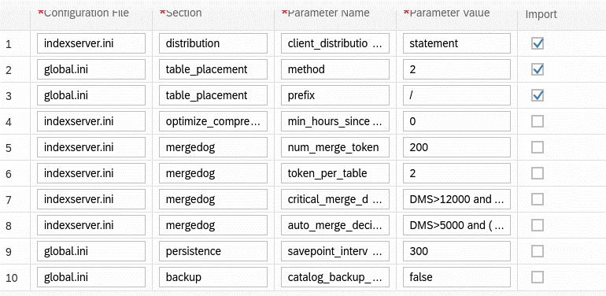

Error: /hana/shared/HDB/global/hdb/saphostagent_setup/installsapinit.sh
/sbin/insserv: No such file or directory
2892338 - SAP HANA DB installation fails on SUSE 15 SP01 - /sbin/insserv - no such file or directory
zypper install insserv

When booting from the OS, the first thing to start is the sapinit script that exists under /etc/init.d/ in the OS
Database Start is started by HANA DB and starts Database by logging in as <SID> adm user and executing “HDB Start” command
Start the S / 4 HANA Application by logging in as <SID> adm user and executing the “startsap” command
/etc/init.d/sapinit status
/etc/init.d/sapinit {start|stop|status|restart}
su hdbadm
HDB start | Start Hana database
HDB stop | Stop Hana database
startsap
stopsap
/usr/sap/hostctrl/exe/sapcontrol -nr 02 -function GetProcessList | Display Hana database processes
/usr/sap/hostctrl/exe/sapcontrol -nr 01 -function GetProcessList | Display S4 processes
/usr/sap/hostctrl/exe/sapcontrol -nr 02 -function Start | Start Hana database
/usr/sap/hostctrl/exe/sapcontrol -nr 02 -function Stop | Stop Hana database
/usr/sap/hostctrl/exe/sapcontrol -nr 01 -function Start | Start S4 Message server, Enqueue server, Web dispatcher, Gateway
/usr/sap/hostctrl/exe/sapcontrol -nr 01 -function Stop | Stop S4
/usr/sap/hostctrl/exe/sapcontrol -nr 00 -function Start | Start S4 disp+work dispatcher, igwsd_mt IGS Watchdog
/usr/sap/hostctrl/exe/sapcontrol -nr 00 -function Stop | Stop S4

Test logon to SAP System S4H failed. SOLUTION: Make sure that the system is started, that the user DDIC exists and that the password of user DDIC is correct.
Note 2483218 - SWPM fails at phase "Check DDIC password" | Already have the last support package
Check the current SAP Host Agent patch level in /usr/sap/hostctrl/work/dev_saphostexec Install the latest version of the SAP Host Agent. Afterwards stop the SWPM and restart it to continue your current installation. | "dev_saphostexec", trc level: 3, release: "721" patch number 49

configure the SAP HANA maximum memory settings after the installation has completed
you can check that the SAP Host Agent is running although it should normally be running automatically. For more information about the SAP Host Agent, see SAP Note 1031096
Connection closed Error: connection to partner '127.0.0.1:3201' broken Sat Dec 19 14:51:33 2020 Release 753 Component NI (network interface), version 40 rc = -6, module /net/usr.delivery/SAPGUIForJava_750_REL/bas_753_REL/src/base/ni/nixxi.cpp, line 5430 Detail NiIRead: P=127.0.0.1:3201; L=127.0.0.1:53112 System Call recv Error No 104 'Connection reset by peer'
Configuring Memory Settings
1.Change the profile for the SAP HANA database either by using the SAP HANA Administration Console of the SAP HANA studio or at the command line as follows:
Modify the file global.ini from /usr/sap/HDB/SYS/global/hdb/custom/config as user "hdbadm" as follows:
[memorymanager]
global_allocation_limit = <your HANA sizing result>
ex (value is in MB): global_allocation_limit = 20480 | do not use this value
2. Change the profile for AS ABAP: a.Log on to the AS ABAP system. b.Start transaction RZ10. c.Edit the profile for the primary application server instance. d.Select Extended maintenance. e.Set the parameter PHYS_MEMSIZE to a value suitable for your host size.

dispatcher is down -> check log file "dev_w0" in /usr/sap/S4H/D00/work
Dump memory after failed to free memory (note 2956989)
Update with New Kernel (see tab with more details)

STEP 4: ADDON INSTALLATION USING SUM TOOL (see tab SAP Fiori)
as s4hadm cd /usr/sap/S4H /sapmedia/SAPCAR_1324-80000935.EXE -xvf /sapmedia/download/SUM20SP09_5-80002456.SAR
as root /usr/sap/S4H/SUM/abap/SUMSTART confighostagent
https://vhcals4hci:1129/lmsl/sumabap/S4H/doc/slui
Enter s4hadm/(password you used before)
No Stack configuration file
Customer Transport Integration only
Standard configuration
Switch expert mode on
Provide passwords
Download Directory: /sapmedia/download/ | maybe empty
Check the authenticity of SAP archives
keep archiving: no

Schedule complete SGEN if it is not completed so far. This will help reduce time needed for Best Practices Content Activation | Not required

STEP 5: SAP S/4HANA RELEASE INFORMATION NOTE
apply the 12 notes below to the installed instance as per SAP Note 2912253 – SAP S/4HANA 2020
Use new user silva in client 000
STEP 6: SAP FRONTEND with Virtual Machine
Setup Port forwarding in Virtual machine
SAPGUI / TCP / 127.0.0.1 / 3200 / 10.0.2.15 / 3200
SAPGUI / TCP / 192.168.1.178 / 3200 / 10.0.2.15 / 3200
http://127.0.0.1/sap/bc/gui/sap/its/webgui

SAP GUI for JAVA -> Java 8 is required
Download JRE 8 from Oracle (64 bits) - jre-8u281-linux-x64.rpm
Install JRE by double clicking on the RPM file
java -jar PlatinGUI750_5-80002496.JAR install
SAP GUI in linux using advanced tab: conn=/H/127.0.0.1/S/3200

SAP system user/client:
SAP*/ 000, 001, 066
DDIC / 000, 001 | Only Client 000 exists, user DDIC, pass Pajoja2930, changed during installation
DDIC= 19920706, SAP*=PASS are default user IDs and passwords in all SAP systems

error "rabax during sapgui logon"
Note 2429578 - How to deal with error "rabax during sapgui logon".
Following four ways can help you identify the short dump: Eliminate the "rabax during sapgui logon" popup and display the dump (recommended): Set profile parameter "login/quiet_mode" to 0. Restart the system so that profile parameter changes take effect. Reproduce the issue (logon to the system). The popup "rabax during sapgui logon" should disappear now and you are able to: see the dump directly. or get more information about the short dump from corresponding dev_w* trace. Increase trace level (for example "rdisp/TRACE=2") and try to log on again. The information of the short dump is then written in the corresponding dev_w* trace. | 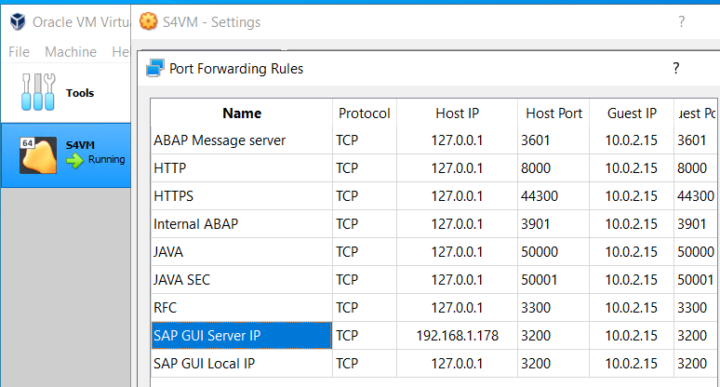

To use SAP Fiori together with SAP S/4HANA, the installation of additional ABAP Add-Ons might be required. For more information, see http://help.sap.com/s4hana -> <Release> -> Product Documentation -> UI Technology Guide. Automate initial system configuration tasks by using the ABAP task manager for lifecycle management automation. For more information, see SAP Note 1923064.

STEP 7: Best Practices Content Activation
Create user SILVA and login with in client 000
All Notes should be applied after complete installation of SAP S/4HANA 2020 FPS0 as per SAP Note 2912253
Trans snote
The check of the Note Assistant configuration raised the following errors: Table CWB_DWNLD_PROC has data maintained incorrectly | Not required
review SAP Note 2914417 – SAP S/4HANA – SAP S/4HANA 2020 FP-Stack 00 (10/2020) content activation note and Apply all the SAP Notes mentioned in the above Note 2914417
install the latest Application Function Library (VCH AFL) to avoid activation error in 2B8 (XX). After AFL install, execute report VCH_HL_AFL_CHECK to ensure no errors exist: Download VCH202000_2053_0-80005463.SAR
download install and follow SAP Note 1650957 – SAP HANA Database: Starting the Script Server. Excute SQL statement with SYSTEMDB@HDB – ALTER DATABASE HDB ADD ‘scriptserver’ (If you have multiple tenant databases please use SID of db that contains S4HANA schema) and then on tenant db HDB – GRANT AFL__SYS_AFL_VCH_2020_EXECUTE to SAPHANADB
You can install VCH AFL with SAP HANA Lifecycle Management (hdblcm or hdblcmgui)
cd /sapmedia
md VCH
cd VCH
Copy files VCH202000_2053_0-80005463.SAR and VCH202000_2053_0-80005463 into directory VCH
/sapmedia/SAPCAR_1324-80000935.EXE -xvf VCH202000_2053_0-80005463.SAR -manifest SIGNATURE.SMF
cd /sapmedia/VCH/VCH_AFL_2020
./hdbinst
cd /usr/sap/hdbstudio | Requires Hana Studio installed
./hdbstudio
Execute SQL statement with SYSTEMDB@HDB – ALTER DATABASE HDB ADD 'scriptserver'
then on tenant db HDB – GRANT AFL__SYS_AFL_VCH_2020_EXECUTE to SAPHANADB | See note 2598627. User SAPHANADB is created during installation. It can be displayed using trans DBACOCKPIT
Trans SE38->Execute report VCH_HL_AFL_CHECK
Using SFW5, Enterprise Business Functions are activated as per list in Admin Guide – Required Enterprise Business Functions FIN_FSCM_CLM FIN_FSCM_BNK FIN_REP_SIMPL_2 FIN_REP_SIMPL_3 FIN_REP_SIMPL_4 FIN_LOC_SRF LOG_EAM_SIMPLICITY LOG_EAM_SIMPLICITY_2 LOG_EAM_SIMPLICITY_3 LOG_EAM_SIMPLICITY_4 LOG_EAM_SIMPLICITY_5 LOG_EAM_SIMPLICITY_6 LOG_EAM_SIMPLICITY_7 LOG_EAM_CI_8 LOG_MMFI_P2P
SFW5 -> Save it and activate the changes
Create target client 100 - Trans SCC4 - client role Test , protection level 0
Create logical systems S4HCLNT000 and S4HCLNT100 - Trans BD54
Assign logical systems to the clients
Client copy new tool, trans SCCLN
New client import and export tool New transactions, task list Use SCC8N Use SCC7N Advantage is the offline client copy
client copy using new tCode SCCLN you must apply SAP Note 2858680 – Client maintenance for on premise. | Not applicable in release 105
Stop Hana Studio and Hana Cockpit processes to release memory: /usr/sap/hostctrl/exe/sapcontrol -nr 96 -function Stop
The local client copy takes place within a system. The local client copy is started via transaction SCCLN. -> Execute as task list in backgroung, only 1 process to save memory. Use profile "SAP_UCUS".
The remote client copy copies data from an external system to another client in the target system using RFC. The process is always started from the target system. The remote client copy is started via transaction SCC9N
LOGIN IN CLIENT 100 with user SILVA
After Client copy is completed, for white listed client check using tCode SE16 that the table (1) T001, click on (2) Number of entries to check there are (3) zero entries as below. For Merged Client you should have records in this table
add Solution Builder transaction "/smb/bbi" to your Favorites in SAP Menu.as this is the transaction you will use until the activation is complete. Also add transaction SECATT
Configure TMS in client 000 using trans STMS->Set password for user TMSADM
Unzip BPS4CONT202000_0_0-70005823.ZIP and copy data and cofiles into the server directories. Data file is located at /usr/sap/trans/data with format R<transport_number>.<sid> and cofile is located at /usr/sap/trans/cofile with format K<transport_number>.<sid>
cd /usr/sap/trans/cofiles -> chmod 0777 *
cd /usr/sap/trans/data -> chmod 0777 *
Add transport request to buffer ERBK058038 and ERBK058670 with steps below tCode STMS, Import Overview. Extras->Other requests->Add
After the transport is in buffer, select the transport and import into client 100, In the Options tab checkmark Ignore Invalid component version
Create users for content activation as per admin guide with details
Change SAP Profile parameters using trans RZ10. Import profiles, then add parameters in profile S4H_D00_VHCALS4HCI as below and restart SAP: abap/heap_area_dia = 6442450944 sapgui/user_scripting = TRUE rdisp/scheduler/prio_high/max_runtime = 18000 <== NEW
Import solutions from SAP Best Practices content. Enter tCode /N/SMB/BBI. Choose menu Solution -> Import -> Solution (XML) -> From reference content
Select Solution Builder Content ID BP_OP_ENTPR_S4HANA2020_DEV7.XML
Defining the scope of your solution. (1) Copy Solution BP_OP_ENTPR_S4HANA2020_DEV7 to (2) Z_MY_SOLUTION_DE (tick copy)
Solution => Import => Installation Data => From reference content. Double click on INST_FILES_DE_BP_S4BL_S4HANA2020_OP.ZIP
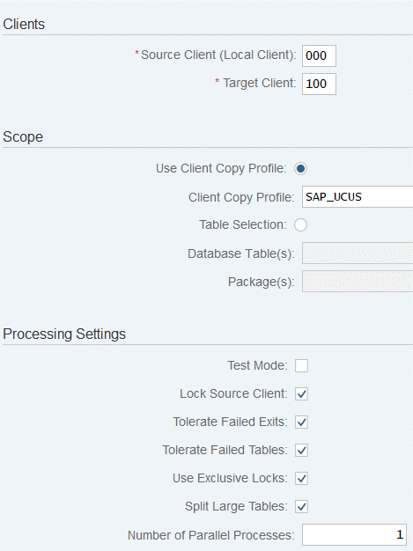
If only you need to remove scope items, double Click (or click on Change Icon) on Z_MY_SOLUTION_DE to unselect the scope items from the list
Enter tCode /n/SMB/SCOPE, Click button (1) New Entries, (2) Customer Solution and (3) select the Country DE and Solution as below
enter tCode SCC4 and ensure below values – Logical System – S4HCLNT100 (needed for EWM steps as per 3.5.1.4 of Admin Guide AdminGuideS4HANAImpl_HELP_EN.pdf in link), Currency – blank, Client role – Test
Best Practices content activation for any solution will populate the client currency as USD by default. In case you want to have a different client currency, you should change the currency before activation starts.You should not change client currency once the first solution in the client is activated. The procedure is as follows: Enter tCode /N/SMB/CD_MAINT In the All Central Data Entities section, use (1) search to find (2) DSC in the table and double-click it, Click (3) Change and change the (4) ID field (-> Currency EUR)
Please do all the steps needed for Pre-activation settings for EWM scope items as per Admin Guide 3.5.1.4 as per the admin guide in the link pages 53-63 as below. Please replace S4HCLNT100 with your <SID>CLNT<CLIENT> and S4HEWM100 with <SID>EWM<CLIENT>
The steps are rearranged for convenience so that you don’t have to go back and forth between IMG and tCode and IMG’s in same place are grouped together in one place and you can follow this order. See tab EWM
If you are activating in merged client please perform the pre-requisite steps as provided in the note follow the activation guidance as per SAP Note 2962939. See documents Business_Partners_Number_Range_Setting_Adjustments.docx and 2020 OP FPS0_Activation_Merged_client_DE.docx
Depending on scope items you have selected, you may get less errors than shown in steps below. The timings are based on Cloud based Virtual Machine with 256GB RAM x 32 Cores. In the SECATT transaction there are certain number of log entries which are sown against each stop
Confirm manually Currency has been changed in previous step with trans /SMB/CD_MAINT and client 100 has currency blank (trans scc4)
Maintain number range interval 1 for paying company code 0001, DE02, DE01, RECO, REOB, RERF Message no. FIN_SEPA_EN003 Diagnosis You choose to generate a mandate ID using the number range interval 1. However, you have not yet maintained the interval for the current paying company code 0001, DE02, DE01, RECO, REOB, RERF. Procedure Use transaction SEPA_NR_MT to maintain the number range interval 1 in number range object SEPA_MNDID for the current paying company code
Dump: MESSAGE_TYPE_UNKNOWN in program /AIF/SAPLCUST01. Solution: implement sap note 2957874
Enter tCode /n/SMB/BBI and go to Solution Builder. Select the Solution and click on Implementation Assistant and Click on button Activate.
After 3 minutes you will be prompted with screen below. You can select Skip this screen if you don’t want this screen from popping up everytime. TIP: In case you would like to migrate data to the new system then please uncheck “With Demo Data“. You can use blog – New Installation of S/4HANA 1909 FPS0 – Part 5 – Direct Data Transfer using Migration Cockpit for rapid data migration using direct data transfer | 
Follow the document to see all stops and popups during activation "2020 OP FPS0_Activation_Merged_client_DE.docx"
DE_BJ5_OP->BJ3 Error: Create work centers manually (see values in tab parameters)
DE_BH1_OP->BFL Error: Create work centers manually (see values in tab parameters)
DE_1E1_OP->2W9 Error: Create work centers manually (see values in tab parameters)
DE_22T_OP->3AS Error: Create work centers manually (see values in tab parameters)
POST ACTIVATION – EXECUTING MANUAL REWORK ACTIVITIES: This step should be done in DEV to create a solution for manual rework activities to general xml file for manual rework activities. This is simply a list of steps to be performed in Q just like a word document. Please follow procedure as described in Admin Guide section 3.5 Executing manual rework activities. Access tCode /n/SMB/BBI, select the solution you activated and set it to favorite. In the menu bar choose Solution -> Procedure -> Start a procedure. In the Execute a Solution Processing Procedure dialog box choose procedure Manual Rework Required and choose OK.
STEP 8: Rapid Activation for Fiori |  | STEP 7: Best Practices Content Activation | STEP 7: Best Practices Content Activation | STEP 7: Best Practices Content Activation | STEP 7: Best Practices Content Activation | STEP 7: Best Practices Content Activation | STEP 7: Best Practices Content Activation | STEP 7: Best Practices Content Activation | STEP 7: Best Practices Content Activation | STEP 7: Best Practices Content Activation | STEP 7: Best Practices Content Activation | STEP 7: Best Practices Content Activation | STEP 7: Best Practices Content Activation | STEP 7: Best Practices Content Activation | STEP 7: Best Practices Content Activation | STEP 7: Best Practices Content Activation | STEP 7: Best Practices Content Activation | STEP 7: Best Practices Content Activation | STEP 7: Best Practices Content Activation | STEP 7: Best Practices Content Activation | STEP 7: Best Practices Content Activation | STEP 7: Best Practices Content Activation | STEP 7: Best Practices Content Activation | STEP 7: Best Practices Content Activation | STEP 7: Best Practices Content Activation | STEP 7: Best Practices Content Activation | STEP 7: Best Practices Content Activation | STEP 7: Best Practices Content Activation | STEP 7: Best Practices Content Activation | STEP 7: Best Practices Content Activation | STEP 7: Best Practices Content Activation | STEP 7: Best Practices Content Activation | STEP 7: Best Practices Content Activation | STEP 7: Best Practices Content Activation | STEP 7: Best Practices Content Activation | STEP 7: Best Practices Content Activation | STEP 7: Best Practices Content Activation | STEP 7: Best Practices Content Activation | STEP 7: Best Practices Content Activation | STEP 7: Best Practices Content Activation | STEP 7: Best Practices Content Activation | STEP 7: Best Practices Content Activation | STEP 7: Best Practices Content Activation | STEP 7: Best Practices Content Activation | STEP 7: Best Practices Content Activation | STEP 7: Best Practices Content Activation | STEP 7: Best Practices Content Activation | STEP 7: Best Practices Content Activation | STEP 7: Best Practices Content Activation | STEP 7: Best Practices Content Activation | STEP 7: Best Practices Content Activation | STEP 7: Best Practices Content Activation | STEP 7: Best Practices Content Activation | STEP 7: Best Practices Content Activation | STEP 7: Best Practices Content Activation | STEP 7: Best Practices Content Activation | STEP 7: Best Practices Content Activation | STEP 7: Best Practices Content Activation | STEP 7: Best Practices Content Activation | STEP 7: Best Practices Content Activation | STEP 7: Best Practices Content Activation | STEP 7: Best Practices Content Activation | STEP 7: Best Practices Content Activation | STEP 7: Best Practices Content Activation | STEP 7: Best Practices Content Activation | STEP 7: Best Practices Content Activation | STEP 7: Best Practices Content Activation | STEP 7: Best Practices Content Activation | STEP 7: Best Practices Content Activation | STEP 7: Best Practices Content Activation | STEP 7: Best Practices Content Activation | STEP 7: Best Practices Content Activation | STEP 7: Best Practices Content Activation | STEP 7: Best Practices Content Activation | STEP 7: Best Practices Content Activation | STEP 7: Best Practices Content Activation | STEP 7: Best Practices Content Activation | STEP 7: Best Practices Content Activation | STEP 7: Best Practices Content Activation | STEP 7: Best Practices Content Activation | STEP 7: Best Practices Content Activation | STEP 7: Best Practices Content Activation | STEP 7: Best Practices Content Activation | STEP 7: Best Practices Content Activation | STEP 7: Best Practices Content Activation | STEP 7: Best Practices Content Activation | STEP 7: Best Practices Content Activation | STEP 7: Best Practices Content Activation | STEP 7: Best Practices Content Activation | STEP 7: Best Practices Content Activation | STEP 7: Best Practices Content Activation | STEP 7: Best Practices Content Activation | STEP 7: Best Practices Content Activation | STEP 7: Best Practices Content Activation | STEP 7: Best Practices Content Activation | STEP 7: Best Practices Content Activation | STEP 7: Best Practices Content Activation | STEP 7: Best Practices Content Activation | STEP 7: Best Practices Content Activation | STEP 7: Best Practices Content Activation | STEP 7: Best Practices Content Activation | STEP 7: Best Practices Content Activation | STEP 7: Best Practices Content Activation | STEP 7: Best Practices Content Activation | STEP 7: Best Practices Content Activation | STEP 7: Best Practices Content Activation | STEP 7: Best Practices Content Activation | STEP 7: Best Practices Content Activation | STEP 7: Best Practices Content Activation | STEP 7: Best Practices Content Activation | STEP 7: Best Practices Content Activation | STEP 7: Best Practices Content Activation | STEP 7: Best Practices Content Activation | STEP 7: Best Practices Content Activation | STEP 7: Best Practices Content Activation | STEP 7: Best Practices Content Activation | STEP 7: Best Practices Content Activation | STEP 7: Best Practices Content Activation | STEP 7: Best Practices Content Activation | STEP 7: Best Practices Content Activation | STEP 7: Best Practices Content Activation | STEP 7: Best Practices Content Activation | STEP 7: Best Practices Content Activation | STEP 7: Best Practices Content Activation | STEP 7: Best Practices Content Activation | STEP 7: Best Practices Content Activation | STEP 7: Best Practices Content Activation | STEP 7: Best Practices Content Activation | STEP 7: Best Practices Content Activation | STEP 7: Best Practices Content Activation | STEP 7: Best Practices Content Activation | STEP 7: Best Practices Content Activation | STEP 7: Best Practices Content Activation | STEP 7: Best Practices Content Activation | STEP 7: Best Practices Content Activation | STEP 7: Best Practices Content Activation | STEP 7: Best Practices Content Activation | STEP 7: Best Practices Content Activation | STEP 7: Best Practices Content Activation | STEP 7: Best Practices Content Activation | STEP 7: Best Practices Content Activation | STEP 7: Best Practices Content Activation | STEP 7: Best Practices Content Activation | STEP 7: Best Practices Content Activation | STEP 7: Best Practices Content Activation | STEP 7: Best Practices Content Activation | STEP 7: Best Practices Content Activation | STEP 7: Best Practices Content Activation | STEP 7: Best Practices Content Activation | STEP 7: Best Practices Content Activation | STEP 7: Best Practices Content Activation | STEP 7: Best Practices Content Activation | STEP 7: Best Practices Content Activation | STEP 7: Best Practices Content Activation | STEP 7: Best Practices Content Activation | STEP 7: Best Practices Content Activation | STEP 7: Best Practices Content Activation | STEP 7: Best Practices Content Activation | STEP 7: Best Practices Content Activation | STEP 7: Best Practices Content Activation | STEP 7: Best Practices Content Activation | STEP 7: Best Practices Content Activation | STEP 7: Best Practices Content Activation | STEP 7: Best Practices Content Activation | STEP 7: Best Practices Content Activation | STEP 7: Best Practices Content Activation | STEP 7: Best Practices Content Activation | STEP 7: Best Practices Content Activation | STEP 7: Best Practices Content Activation | STEP 7: Best Practices Content Activation | STEP 7: Best Practices Content Activation | STEP 7: Best Practices Content Activation | STEP 7: Best Practices Content Activation | STEP 7: Best Practices Content Activation | STEP 7: Best Practices Content Activation | STEP 7: Best Practices Content Activation | STEP 7: Best Practices Content Activation | STEP 7: Best Practices Content Activation | STEP 7: Best Practices Content Activation | STEP 7: Best Practices Content Activation | STEP 7: Best Practices Content Activation | STEP 7: Best Practices Content Activation | STEP 7: Best Practices Content Activation | STEP 7: Best Practices Content Activation | STEP 7: Best Practices Content Activation | STEP 7: Best Practices Content Activation | STEP 7: Best Practices Content Activation | STEP 7: Best Practices Content Activation | STEP 7: Best Practices Content Activation | STEP 7: Best Practices Content Activation | STEP 7: Best Practices Content Activation | STEP 7: Best Practices Content Activation | STEP 7: Best Practices Content Activation | STEP 7: Best Practices Content Activation | STEP 7: Best Practices Content Activation | STEP 7: Best Practices Content Activation | STEP 7: Best Practices Content Activation | STEP 7: Best Practices Content Activation | STEP 7: Best Practices Content Activation | STEP 7: Best Practices Content Activation | STEP 7: Best Practices Content Activation | STEP 7: Best Practices Content Activation | STEP 7: Best Practices Content Activation | STEP 7: Best Practices Content Activation | STEP 7: Best Practices Content Activation | STEP 7: Best Practices Content Activation | STEP 7: Best Practices Content Activation | STEP 7: Best Practices Content Activation | STEP 7: Best Practices Content Activation | STEP 7: Best Practices Content Activation | STEP 7: Best Practices Content Activation | STEP 7: Best Practices Content Activation | STEP 7: Best Practices Content Activation | STEP 7: Best Practices Content Activation | STEP 7: Best Practices Content Activation | STEP 7: Best Practices Content Activation | STEP 7: Best Practices Content Activation | STEP 7: Best Practices Content Activation | STEP 7: Best Practices Content Activation | STEP 7: Best Practices Content Activation | STEP 7: Best Practices Content Activation | STEP 7: Best Practices Content Activation | STEP 7: Best Practices Content Activation | STEP 7: Best Practices Content Activation | STEP 7: Best Practices Content Activation | STEP 7: Best Practices Content Activation | STEP 7: Best Practices Content Activation | STEP 7: Best Practices Content Activation | STEP 7: Best Practices Content Activation | STEP 7: Best Practices Content Activation | STEP 7: Best Practices Content Activation | STEP 7: Best Practices Content Activation | STEP 7: Best Practices Content Activation | STEP 7: Best Practices Content Activation | STEP 7: Best Practices Content Activation | STEP 7: Best Practices Content Activation | STEP 7: Best Practices Content Activation | STEP 7: Best Practices Content Activation | STEP 7: Best Practices Content Activation | STEP 7: Best Practices Content Activation | STEP 7: Best Practices Content Activation | STEP 7: Best Practices Content Activation | STEP 7: Best Practices Content Activation | STEP 7: Best Practices Content Activation | STEP 7: Best Practices Content Activation | STEP 7: Best Practices Content Activation | STEP 7: Best Practices Content Activation | STEP 7: Best Practices Content Activation | STEP 7: Best Practices Content Activation | STEP 7: Best Practices Content Activation | STEP 7: Best Practices Content Activation | STEP 7: Best Practices Content Activation | STEP 7: Best Practices Content Activation | STEP 7: Best Practices Content Activation | STEP 7: Best Practices Content Activation
Install SAP FIORI FES 2020 FOR S/4HANA (initial shipment stack) | See tab "SAP Fiori"

Follow sap note 2947824
Follow sap note 2740052
Install note with snote: 2510134
Install note with snote: 2712785
Install note with snote: 2686456
Install note with snote: 2739383
Install note with snote: 2813396
trans RZ10 set PXA value in SAP profile abap/buffersize to 2500000 kB | To avoid memory dumps on next steps
Note 1322182 in client 000 (Memory consumption of ABAP Shared Objects)- trans RZ10 set parameter abap/shared_objects_size_MB to 512 | required if memory dumps
Activate enterprise search: transaction STC01 – SAP_ESH_INITIAL_SETUP_WRK_CLIENT | 90 min- if memory dump resume it again. Job canceled several times - resume it
Job canceled: Authorization indexing unsuccessful for object type BC_BUSINESS_PARTNER. Solution Note 2472239: Recreate the missing Indices by calling the following report in SE38 transaction: - ESH_CREATE_INDEX_FOR_NODE with parameters -> object type USER_AUTHORITY node name USER_AUTHORITY - ESH_CREATE_INDEX_FOR_NODE with parameters -> object type USER_AUTHORITY_DATA node name AUTH_AUTH_VALUE - ESH_CREATE_INDEX_FOR_NODE with parameters -> object type USER_MAPPING node name USER_MAPPING Recalculate the authorization data for the search connectors - ESH_ADM_RECALC_AUTHS with options "reprocess all tasks" -> finished successfully
Job canceled: Index request unsuccessful for object type TL_TYPES_H
Initially fill customer tables: transaction SU25 - Execute step1 2 times | memory dumped, tried again and no memory dump
trans se37 - RS_MANDT_UNIQUE_SET - set client 100 in table RSADMINA | Activate embedded analytics (BW)
transaction STC01 – SAP_BW_SETUP_INITIAL_S4HANA | Activate embedded analytics (BW)
transaction STC01 – SAP_GW_FIORI_ERP_ONE_CLNT_SETUP | The OData service FDM_PAGE_REPOSITORY_READ_SRV in the namespace /UI2/ does not exist. -> Please see note 2952766 - SAP_FIORI_LAUNCHPAD_INIT_SETUP or SAP_GW_FIORI_ERP_ONE_CLNT_SETUP tasklist failing on activating OData service like: /UI2/FDM_***.
Install note with snote: 2639552
transaction STC01 – SAP_FIORI_FOUNDATION_S4 | It requires go back and re-execute in case of error "UI2/EASY_ACCESS_MENU". If node is activated and still in error then untick the step and resume
Error: Service: /SSB/SMART_BUSINESS_DESIGNTIME_SRV 1 avai / ICF Node: not available. Solution: Note 2648505
Trans /IWFND/MAINT_SERVICE. Activate services: SMART_BUSINESS_RUNTIME_SRV SMART_BUSINESS_DESIGNTIME_SRV
transaction PFCG - Z_FLP_USER - Add object /UIF/LREP (Edit -> /UIF/ROLE = select using checkmark APFUSER)
transaction PFCG - Z_FLP_ADMIN - Add object /UIF/LREP (Edit -> /UIF/ROLE = select using checkmark APFADMIN)
Add role Z_FIORI_FOUNDATION_ADMIN and role Z_FLP_ADMIN to user SILVA
Test using tcode /UI2/FLP or directly via url: https://vhcals4hci.dummy.nodomain:44300/sap/bc/ui5_ui5/ui2/ushell/shells/abap/FioriLaunchpad.html
Download a list of all business roles into csv file from sap https://fioriappslibrary.hana.ondemand.com/sap/fix/externalViewer/
Split the list of roles into lists with number of roles limit around 100
remove the below roles and activate them separately
SAP_BR_PURCHASER | Apply notes 2971682, 2985260
SAP_BR_SALES_PROCESS_MANAGER | Solution in progress
SAP_BR_PA_REPRESENTATIVE | Do not install it
SAP_BR_AP_MANAGER
SAP_BR_RECON_ACCOUNTANT | See SAP note 2963951
Previous steps must be completed first | Some BRs do not activate as function is not active (Loaded List1, 2 and 3)
transaction STC01 – SAP_FIORI_CONTENT_ACTIVATION
As a Post Activation step you can revert back Memory Parameters that were temporarily increased for activation
Check SAP Note '2902673 - Rapid Activation for SAP Fiori in SAP S/4HANA - Overview' for prerequisites.
https://vhcals4hci.dummy.nodomain:44300/sap/bc/ui2/flp?sap-client=100&sap-language=EN
https://vhcals4hci.dummy.nodomain:44300/sap/bc/ui5_ui5/ui2/ushell/shells/abap/FioriLaunchpad.html | Virtual machine (Linux) - client 000
https://vhcals4hci.dummy.nodomain:44300/sap/bc/ui5_ui5/ui2/ushell/shells/abap/FioriLaunchpad.html?sap-client=100&sap-language=EN#Shell-home | Virtual machine (Linux) - client 100
https://127.0.0.1:44300/sap/bc/ui5_ui5/ui2/ushell/shells/abap/FioriLaunchpad.html | Diogo machine (windows) - client 000
https://127.0.0.1:44300/sap/bc/ui5_ui5/ui2/ushell/shells/abap/FioriLaunchpad.html?sap-client=100&sap-language=EN#Shell-home | Diogo machine (windows) - client 100
https://192.168.1.179:44300/sap/bc/ui5_ui5/ui2/ushell/shells/abap/FioriLaunchpad.html?sap-client=100&sap-language=EN#Shell-home | Filipe machine (windows) - client 100 - Check Port forwarding in the Network/Virtual machine: Add port 44300
Error: App could not be opened because the SAP UI5 component of the application could not be loaded.
Solution: Re-execute the SAP fiori activation steps
STEP 9: Install Hana Studio
zypper install libnsl1
mkdir -p /tmp/SWT-GDBusServer
cd /sapmedia
md hana_studio
copy files into directory hana_studio
cd /sapmedia/hana_studio
/sapmedia/SAPCAR_1324-80000935.EXE -xvf IMC_STUDIO2_248_3-80000321.SAR -manifest SIGNATURE.SMF | Pajoja2930
cd /sapmedia/hana_studio/SAP_HANA_STUDIO
./hdbsetup
hana studio recover pass questions: dog name: leao; born city: lisbon

cd /usr/sap/hdbstudio
./hdbstudio
/usr/sap/hdbstudio/hdbstudio
hostname: vhcalhdbdb
Instance number: 02
Multiple containers, Tenant database name: HDB
Authentication by database user: SYSTEM
Add also system database

STEP 10: Install Hana Cockpit
cd /sapmedia
md hana_cockpit
copy files into directory hana_cockpit
cd hana_cockpit
/sapmedia/SAPCAR_1324-80000935.EXE -xvf SAPHANACOCKPIT12_16-70002299.SAR -manifest SIGNATURE.SMF
./hdblcmgui.sh
Install New Database
SID: H4C
Instance number: 96
 | Display S4 processes
/usr/sap/hostctrl/exe/sapcontrol -nr 96 -function Start | Start Hana database - Cockpit
/usr/sap/hostctrl/exe/sapcontrol -nr 96 -function Stop | Stop Hana database - Cockpit
su h4cadm
cd /hana/shared/H4C/xs/bin
./xs-admin-login
https://vhcals4hci.dummy.nodomain:39630
Login as Hana Cockpit manager and reply yes to assign automatically the authorization role
User: COCKPIT_ADMIN
xs apps | list of the applications running in the current space
Cockpit manager is listed as: cockpit-admin-web-app https://vhcals4hci.dummy.nodomain:51028
Create cockpit user: silva
Create Database group: MS
Register database: SYSTEMDB@HDB (multi container)
Database administrator user: SYSTEM
Database technical user: SYS
Create HDB techical user: hdbtec2
Linux -> Disable transparent hugepages | Note 2684254
cat /sys/kernel/mm/transparent_hugepage/enabled
echo never > /sys/kernel/mm/transparent_hugepage/enabled | How to disable if not yet
To check whether Transparent Huge Pages are activated and currently being used by processes, execute the below commands in the Linux shell: cat /sys/kernel/mm/transparent_hugepage/enabled cat /proc/meminfo | grep AnonHugePages If the first output shows "[always] madvise never", that is "always" is shown inside square brackets, then THPs are activated according to the value of the relevant Linux Kernel parameter. If the second output shows a value greater than 0 Kb (Kilobytes), then this is evidence that some processes use THPs. If both steps show that Transparent Huge Pages are activated or in use, deactivate them by executing the commands below in the Linux shell: echo never > /sys/kernel/mm/transparent_hugepage/enabled cat /sys/kernel/mm/transparent_hugepage/enabled The first command will deactivate Transparent Huge Pages by setting the relevant Kernel parameter to "never". Right after executing this command, the hanging situation will be resolved. You can verify whether the Kernel parameter has the correct value by executing the second command which should show the output "always madvise [never]" where the new value is in square brackets. Note that unless the value of the Kernel parameter has not been persisted, it is only set/valid until the host is restarted the next time. To prevent toggling the value from [never] back to [always] causing THPs to be activated again, use one of the below strategies to persist it: Add the parameter "transparent_hugepage=never" to the kernel boot line in the /etc/grub.conf file of the Bootloader. Integrate the parameter "transparent_hugepage=never" within your system boot scripts (for example,. /etc/rc.local)
edit /etc/default/grub
append line "transparent_hugepage=never" to the command "GRUB_CMDLINE_LINUX_DEFAULT"
grub2-mkconfig -o /boot/grub2/grub.cfg

Check link: https://answers.sap.com/questions/9615114/error-in-webdispatcher-startup.html

rm -rf /usr/sap/HDB/HDB02/lddbrcc/tmp | Note 2686437
mkdir /usr/sap/HDB/tmp
ln -s /usr/sap/HDB/tmp /usr/sap/RCC/HDB03/lddbrcc/tmp
After running the above steps, please make sure to check the below directory and the File System size to see it has enough space. ld7642:rccadm 174> df -h ./ Filesystem Size Used Avail Use% Mounted on /dev/mapper/vg01r5-usr_sap_RCC 15G 57M 15G 1% /usr/sap/RCC

STEP 11: Uninstall Hana Cockpit
cd /hana/shared/H4C/hdblcm
./hdblcmgui --action=uninstall --components=all

STEP 12: Linux commands
ps aux | awk '{print $6/1024 " MB\t\t" $01}' | sort -n | List processes

STEP 13: Uninstall SAP instance S4H/00 and Database HDB/02
/usr/sap/hostctrl/exe/sapcontrol -nr 02 -function Start | Start database instance
cd /install
./sapinst SAPINST_USE_HOSTNAME=vhcals4hci SAPINST_ACCEPT_INTERNAL_SIGNATURE=true
https://vhcals4hci.dummy.nodomain:4237/sapinst/docs/index.html
Generic options->SAP Hana Database->Uninstall->Uninstall SAP Systems or Single instances
/usr/sap/hostctrl/exe/sapcontrol -nr 02 -function GetProcessList

STEP 14: Re-install SAP with date in future
set linux system date in future
Re-install Database HDB and instance S4H
set linux system current date
Re-generate PSE file | Note 2629916; Note 2200230
/usr/sap/hostctrl/exe/sapcontrol -nr 01 -function RestartService | Restart the sapstartsrv of the all instances
/usr/sap/hostctrl/exe/sapcontrol -nr 01 -function UpdateSystemPKI | Re-create the PKI using sapstartsrv method UpdateSystemPKI on ASCS/SCS instance
sapcontrol -nr <$$> -user <sidadm> <password> -function UpdateSystemPKI 1
/usr/sap/hostctrl/exe/sapcontrol -nr 01 -user s4hadm Pajoja2930 -function UpdateSystemPKI 1
A new pse sap_system_pki_instance.pse file should be created under instance sec folder $(DIR_INSTANCE)/sec and SSFS_<SID>.DAT in older $(DIR_GLOBAL)\security\rsecssfs\data | Note: Triggering the "UpdateSystemPKI" function on a running system will lead to system down situations. Thus, it is recommended to stop the system, update the system PKI, then starting the system again
cd /usr/sap/S4H/ASCS01/sec
touch filename | change filename to current date/time
/usr/sap/hostctrl/exe/sapcontrol -nr 02 -function GetProcessList
/usr/sap/hostctrl/exe/sapcontrol -nr 01 -function GetProcessList
/usr/sap/hostctrl/exe/sapcontrol -nr 00 -function GetProcessList
/usr/sap/hostctrl/exe/sapcontrol -nr 02 -function Start
/usr/sap/hostctrl/exe/sapcontrol -nr 02 -function Stop
/usr/sap/hostctrl/exe/sapcontrol -nr 01 -function Start
/usr/sap/hostctrl/exe/sapcontrol -nr 01 -function Stop
/usr/sap/hostctrl/exe/sapcontrol -nr 00 -function Start
/usr/sap/hostctrl/exe/sapcontrol -nr 00 -function Stop
/usr/sap/hostctrl/exe/sapcontrol -nr 01 -host vhcals4hci -systempki /usr/sap/S4H/SYS/profile/S4H_ASCS01_vhcals4hci -debug -function AccessCheck Stop
/usr/sap/hostctrl/exe/sapcontrol -nr 00 -host vhcals4hci -systempki /usr/sap/S4H/SYS/profile/S4H_D00_vhcals4hci -debug -function AccessCheck Stop
SAPSSLA.PSE | SSL Client (Anonymous) | 20.08.2017-01.01.2038
SAPSSLC.PSE | SSL Client Standard | 11.03.2031-01.01.2038
SAPSSLS.PSE | standard SSL server PSE. DN of Standard PSE: CN=vhcals4hci.dummy.nodomain | 11.03.2031-01.01.2038
SAPSYS.PSE | System PSE
Note 1473710 - STRUST: How to Export/Import a PSE from/to STRUST

SAPLCNDP LCNDPU23 319 (FUNCTION
sapgenpse get_pse <additional_options> [-p <PSE_name>] [-r <cert_req_file_name>] [-x <PIN>] [DN]

sap_system_pki_instance.pse | Required
cd /usr/sap/S4H/ASCS01/sec
rm /usr/sap/S4H/ASCS01/sec/sap_system_pki_instance.pse
su s4hadm
/usr/sap/S4H/ASCS01/exe/sapgenpse get_pse -p /usr/sap/S4H/ASCS01/sec/sap_system_pki_instance.pse -s 2048 -noreq "CN=vhcals4hci.dummy.nodomain"
pin: no password
chmod 0777 sap_system_pki_instance.pse
/usr/sap/hostctrl/exe/sapcontrol -nr 01 -function RestartService | creates sap_system_pki_instance.pse

SAPSSLS.PSE
cd /usr/sap/S4H/ASCS01/sec
rm /usr/sap/S4H/ASCS01/sec/SAPSSLS.pse
su s4hadm |  | su s4hadm | su s4hadm | su s4hadm | su s4hadm | su s4hadm | su s4hadm | su s4hadm | su s4hadm | su s4hadm | su s4hadm | su s4hadm | su s4hadm | su s4hadm | su s4hadm | su s4hadm | su s4hadm | su s4hadm | su s4hadm | su s4hadm | su s4hadm | su s4hadm | su s4hadm | su s4hadm | su s4hadm | su s4hadm | su s4hadm | su s4hadm | su s4hadm | su s4hadm | su s4hadm | su s4hadm | su s4hadm | su s4hadm | su s4hadm | su s4hadm | su s4hadm | su s4hadm | su s4hadm | su s4hadm | su s4hadm | su s4hadm | su s4hadm | su s4hadm | su s4hadm | su s4hadm | su s4hadm | su s4hadm | su s4hadm | su s4hadm | su s4hadm | su s4hadm | su s4hadm | su s4hadm | su s4hadm | su s4hadm | su s4hadm | su s4hadm | su s4hadm | su s4hadm | su s4hadm | su s4hadm | su s4hadm | su s4hadm | su s4hadm | su s4hadm | su s4hadm | su s4hadm | su s4hadm | su s4hadm | su s4hadm | su s4hadm | su s4hadm | su s4hadm | su s4hadm | su s4hadm | su s4hadm | su s4hadm | su s4hadm | su s4hadm | su s4hadm | su s4hadm | su s4hadm | su s4hadm | su s4hadm | su s4hadm | su s4hadm | su s4hadm | su s4hadm | su s4hadm | su s4hadm | su s4hadm | su s4hadm | su s4hadm | su s4hadm | su s4hadm | su s4hadm | su s4hadm | su s4hadm | su s4hadm | su s4hadm | su s4hadm | su s4hadm | su s4hadm | su s4hadm | su s4hadm | su s4hadm | su s4hadm | su s4hadm | su s4hadm | su s4hadm | su s4hadm | su s4hadm | su s4hadm | su s4hadm | su s4hadm | su s4hadm | su s4hadm | su s4hadm | su s4hadm | su s4hadm | su s4hadm | su s4hadm | su s4hadm | su s4hadm | su s4hadm | su s4hadm | su s4hadm | su s4hadm | su s4hadm | su s4hadm | su s4hadm | su s4hadm | su s4hadm | su s4hadm | su s4hadm | su s4hadm | su s4hadm | su s4hadm | su s4hadm | su s4hadm | su s4hadm | su s4hadm | su s4hadm | su s4hadm | su s4hadm | su s4hadm | su s4hadm | su s4hadm | su s4hadm | su s4hadm | su s4hadm | su s4hadm | su s4hadm | su s4hadm | su s4hadm | su s4hadm | su s4hadm | su s4hadm | su s4hadm | su s4hadm | su s4hadm | su s4hadm | su s4hadm | su s4hadm | su s4hadm | su s4hadm | su s4hadm | su s4hadm | su s4hadm | su s4hadm | su s4hadm | su s4hadm | su s4hadm | su s4hadm | su s4hadm | su s4hadm | su s4hadm | su s4hadm | su s4hadm | su s4hadm | su s4hadm | su s4hadm | su s4hadm | su s4hadm | su s4hadm | su s4hadm | su s4hadm | su s4hadm | su s4hadm | su s4hadm | su s4hadm | su s4hadm | su s4hadm | su s4hadm | su s4hadm | su s4hadm | su s4hadm | su s4hadm | su s4hadm | su s4hadm | su s4hadm | su s4hadm | su s4hadm | su s4hadm | su s4hadm | su s4hadm | su s4hadm | su s4hadm | su s4hadm | su s4hadm | su s4hadm | su s4hadm | su s4hadm | su s4hadm | su s4hadm | su s4hadm | su s4hadm | su s4hadm | su s4hadm | su s4hadm | su s4hadm | su s4hadm | su s4hadm | su s4hadm | su s4hadm | su s4hadm | su s4hadm | su s4hadm | su s4hadm | su s4hadm | su s4hadm | su s4hadm | su s4hadm | su s4hadm | su s4hadm | su s4hadm | su s4hadm | su s4hadm | su s4hadm | su s4hadm | su s4hadm | su s4hadm | su s4hadm | su s4hadm | su s4hadm | su s4hadm | su s4hadm | su s4hadm | su s4hadm | su s4hadm | su s4hadm | su s4hadm | su s4hadm | su s4hadm
/usr/sap/S4H/ASCS01/exe/sapgenpse get_pse -p /usr/sap/S4H/ASCS01/sec/SAPSSLS.pse -s 2048 -noreq "CN=vhcals4hci.dummy.nodomain"
pin: no password

SAPSSLA.PSE
cd /usr/sap/S4H/ASCS01/sec
rm /usr/sap/S4H/ASCS01/sec/SAPSSLA.pse
su s4hadm |  | su s4hadm | su s4hadm | su s4hadm | su s4hadm | su s4hadm | su s4hadm | su s4hadm | su s4hadm | su s4hadm | su s4hadm | su s4hadm | su s4hadm | su s4hadm | su s4hadm | su s4hadm | su s4hadm | su s4hadm | su s4hadm | su s4hadm | su s4hadm | su s4hadm | su s4hadm | su s4hadm | su s4hadm | su s4hadm | su s4hadm | su s4hadm | su s4hadm | su s4hadm | su s4hadm | su s4hadm | su s4hadm | su s4hadm | su s4hadm | su s4hadm | su s4hadm | su s4hadm | su s4hadm | su s4hadm | su s4hadm | su s4hadm | su s4hadm | su s4hadm | su s4hadm | su s4hadm | su s4hadm | su s4hadm | su s4hadm | su s4hadm | su s4hadm | su s4hadm | su s4hadm | su s4hadm | su s4hadm | su s4hadm | su s4hadm | su s4hadm | su s4hadm | su s4hadm | su s4hadm | su s4hadm | su s4hadm | su s4hadm | su s4hadm | su s4hadm | su s4hadm | su s4hadm | su s4hadm | su s4hadm | su s4hadm | su s4hadm | su s4hadm | su s4hadm | su s4hadm | su s4hadm | su s4hadm | su s4hadm | su s4hadm | su s4hadm | su s4hadm | su s4hadm | su s4hadm | su s4hadm | su s4hadm | su s4hadm | su s4hadm | su s4hadm | su s4hadm | su s4hadm | su s4hadm | su s4hadm | su s4hadm | su s4hadm | su s4hadm | su s4hadm | su s4hadm | su s4hadm | su s4hadm | su s4hadm | su s4hadm | su s4hadm | su s4hadm | su s4hadm | su s4hadm | su s4hadm | su s4hadm | su s4hadm | su s4hadm | su s4hadm | su s4hadm | su s4hadm | su s4hadm | su s4hadm | su s4hadm | su s4hadm | su s4hadm | su s4hadm | su s4hadm | su s4hadm | su s4hadm | su s4hadm | su s4hadm | su s4hadm | su s4hadm | su s4hadm | su s4hadm | su s4hadm | su s4hadm | su s4hadm | su s4hadm | su s4hadm | su s4hadm | su s4hadm | su s4hadm | su s4hadm | su s4hadm | su s4hadm | su s4hadm | su s4hadm | su s4hadm | su s4hadm | su s4hadm | su s4hadm | su s4hadm | su s4hadm | su s4hadm | su s4hadm | su s4hadm | su s4hadm | su s4hadm | su s4hadm | su s4hadm | su s4hadm | su s4hadm | su s4hadm | su s4hadm | su s4hadm | su s4hadm | su s4hadm | su s4hadm | su s4hadm | su s4hadm | su s4hadm | su s4hadm | su s4hadm | su s4hadm | su s4hadm | su s4hadm | su s4hadm | su s4hadm | su s4hadm | su s4hadm | su s4hadm | su s4hadm | su s4hadm | su s4hadm | su s4hadm | su s4hadm | su s4hadm | su s4hadm | su s4hadm | su s4hadm | su s4hadm | su s4hadm | su s4hadm | su s4hadm | su s4hadm | su s4hadm | su s4hadm | su s4hadm | su s4hadm | su s4hadm | su s4hadm | su s4hadm | su s4hadm | su s4hadm | su s4hadm | su s4hadm | su s4hadm | su s4hadm | su s4hadm | su s4hadm | su s4hadm | su s4hadm | su s4hadm | su s4hadm | su s4hadm | su s4hadm | su s4hadm | su s4hadm | su s4hadm | su s4hadm | su s4hadm | su s4hadm | su s4hadm | su s4hadm | su s4hadm | su s4hadm | su s4hadm | su s4hadm | su s4hadm | su s4hadm | su s4hadm | su s4hadm | su s4hadm | su s4hadm | su s4hadm | su s4hadm | su s4hadm | su s4hadm | su s4hadm | su s4hadm | su s4hadm | su s4hadm | su s4hadm | su s4hadm | su s4hadm | su s4hadm | su s4hadm | su s4hadm | su s4hadm | su s4hadm | su s4hadm | su s4hadm | su s4hadm | su s4hadm | su s4hadm | su s4hadm | su s4hadm | su s4hadm | su s4hadm | su s4hadm | su s4hadm | su s4hadm
/usr/sap/S4H/ASCS01/exe/sapgenpse get_pse -p /usr/sap/S4H/ASCS01/sec/SAPSSLA.pse -s 2048 -noreq "CN=anonymous"
pin: no password
/usr/sap/S4H/ASCS01/exe/sapgenpse seclogin -d -p /usr/sap/S4H/ASCS01/sec/SAPSSLA.pse

SAPSSLC.PSE
cd /usr/sap/S4H/ASCS01/sec
rm /usr/sap/S4H/ASCS01/sec/SAPSSLC.pse
su s4hadm |  | su s4hadm | su s4hadm | su s4hadm | su s4hadm | su s4hadm | su s4hadm | su s4hadm | su s4hadm | su s4hadm | su s4hadm | su s4hadm | su s4hadm | su s4hadm | su s4hadm | su s4hadm | su s4hadm | su s4hadm | su s4hadm | su s4hadm | su s4hadm | su s4hadm | su s4hadm | su s4hadm | su s4hadm | su s4hadm | su s4hadm | su s4hadm | su s4hadm | su s4hadm | su s4hadm | su s4hadm | su s4hadm | su s4hadm | su s4hadm | su s4hadm | su s4hadm | su s4hadm | su s4hadm | su s4hadm | su s4hadm | su s4hadm | su s4hadm | su s4hadm | su s4hadm | su s4hadm | su s4hadm | su s4hadm | su s4hadm | su s4hadm | su s4hadm | su s4hadm | su s4hadm | su s4hadm | su s4hadm | su s4hadm | su s4hadm | su s4hadm | su s4hadm | su s4hadm | su s4hadm | su s4hadm | su s4hadm | su s4hadm | su s4hadm | su s4hadm | su s4hadm | su s4hadm | su s4hadm | su s4hadm | su s4hadm | su s4hadm | su s4hadm | su s4hadm | su s4hadm | su s4hadm | su s4hadm | su s4hadm | su s4hadm | su s4hadm | su s4hadm | su s4hadm | su s4hadm | su s4hadm | su s4hadm | su s4hadm | su s4hadm | su s4hadm | su s4hadm | su s4hadm | su s4hadm | su s4hadm | su s4hadm | su s4hadm | su s4hadm | su s4hadm | su s4hadm | su s4hadm | su s4hadm | su s4hadm | su s4hadm | su s4hadm | su s4hadm | su s4hadm | su s4hadm | su s4hadm | su s4hadm | su s4hadm | su s4hadm | su s4hadm | su s4hadm | su s4hadm | su s4hadm | su s4hadm | su s4hadm | su s4hadm | su s4hadm | su s4hadm | su s4hadm | su s4hadm | su s4hadm | su s4hadm | su s4hadm | su s4hadm | su s4hadm | su s4hadm | su s4hadm | su s4hadm | su s4hadm | su s4hadm | su s4hadm | su s4hadm | su s4hadm | su s4hadm | su s4hadm | su s4hadm | su s4hadm | su s4hadm | su s4hadm | su s4hadm | su s4hadm | su s4hadm | su s4hadm | su s4hadm | su s4hadm | su s4hadm | su s4hadm | su s4hadm | su s4hadm | su s4hadm | su s4hadm | su s4hadm | su s4hadm | su s4hadm | su s4hadm | su s4hadm | su s4hadm | su s4hadm | su s4hadm | su s4hadm | su s4hadm | su s4hadm | su s4hadm | su s4hadm | su s4hadm | su s4hadm | su s4hadm | su s4hadm | su s4hadm | su s4hadm | su s4hadm | su s4hadm | su s4hadm | su s4hadm | su s4hadm | su s4hadm | su s4hadm | su s4hadm | su s4hadm | su s4hadm | su s4hadm | su s4hadm | su s4hadm | su s4hadm | su s4hadm | su s4hadm | su s4hadm | su s4hadm | su s4hadm | su s4hadm | su s4hadm | su s4hadm | su s4hadm | su s4hadm | su s4hadm | su s4hadm | su s4hadm | su s4hadm | su s4hadm | su s4hadm | su s4hadm | su s4hadm | su s4hadm | su s4hadm | su s4hadm | su s4hadm | su s4hadm | su s4hadm | su s4hadm | su s4hadm | su s4hadm | su s4hadm | su s4hadm | su s4hadm | su s4hadm | su s4hadm | su s4hadm | su s4hadm | su s4hadm | su s4hadm | su s4hadm | su s4hadm | su s4hadm | su s4hadm | su s4hadm | su s4hadm | su s4hadm | su s4hadm | su s4hadm | su s4hadm | su s4hadm | su s4hadm | su s4hadm | su s4hadm | su s4hadm | su s4hadm | su s4hadm | su s4hadm | su s4hadm | su s4hadm | su s4hadm | su s4hadm | su s4hadm | su s4hadm | su s4hadm | su s4hadm | su s4hadm | su s4hadm | su s4hadm | su s4hadm | su s4hadm | su s4hadm | su s4hadm | su s4hadm | su s4hadm
/usr/sap/S4H/ASCS01/exe/sapgenpse get_pse -p /usr/sap/S4H/ASCS01/sec/SAPSSLC.pse -s 2048 -noreq "CN=S4H, OU=SSL CLIENT"
pin: no password

SAPSYS.PSE
cd /usr/sap/S4H/D00/sec
rm /usr/sap/S4H/D00/sec/SAPSYS.pse
/usr/sap/S4H/D00/exe/sapgenpse get_pse -p /usr/sap/S4H/D00/sec/SAPSYS.pse -s 1024 -a DSA -noreq "CN=S4H"
pin: no password

SAPSSLS.PSE
cd /usr/sap/S4H/D00/sec
rm /usr/sap/S4H/D00/sec/SAPSSLS.pse
/usr/sap/S4H/D00/exe/sapgenpse get_pse -p /usr/sap/S4H/D00/sec/SAPSSLS.pse -s 2048 -noreq "CN=vhcals4hci.dummy.nodomain"
pin: no password
chmod 0777 SAPSSLS.pse

SAPSSLA.PSE | Not needed ?
cd /usr/sap/S4H/D00/sec
rm /usr/sap/S4H/D00/sec/SAPSSLA.pse
/usr/sap/S4H/D00/exe/sapgenpse get_pse -p /usr/sap/S4H/D00/sec/SAPSSLA.pse -s 2048 -noreq "CN=anonymous"

SAPSSLC.PSE | Not needed ?
cd /usr/sap/S4H/D00/sec
rm /usr/sap/S4H/D00/sec/SAPSSLC.pse
/usr/sap/S4H/D00/exe/sapgenpse get_pse -p /usr/sap/S4H/D00/sec/SAPSSLC.pse -s 2048 -noreq "CN=S4H, OU=SSL CLIENT"

sap_system_pki_instance.pse
cd /usr/sap/S4H/D00/sec
rm /usr/sap/S4H/D00/sec/sap_system_pki_instance.pse
/usr/sap/S4H/D00/exe/sapgenpse get_pse -p /usr/sap/S4H/D00/sec/sap_system_pki_instance.pse -s 2048 -noreq "CN=vhcals4hci.dummy.nodomain"
chmod 0777 sap_system_pki_instance.pse
/usr/sap/hostctrl/exe/sapcontrol -nr 00 -function RestartService
sapgenpse seclogin -p <relatedPSEfile> -chpin -x <PIN> -xn ""

Virtual Machine S4VM

sapgenpse seclogin [-d] [-p <PSE_name>]
sapgenpse seclogin -d -p D:\usr\sap\ABC\DVEBMGS28\sec\ABC.pse

sapgenpse seclogin [-chpin] [-p PSE_name>] [-x <PIN>] [-xn <new_PIN>]
sapgenpse seclogin -chpin -p D:\usr\sap\ABC\DVEBMGS28\sec\ABC.pse -x abcpin -xn abcnewpin

system/secure_communication = ON | DEFAULT profile

cd /usr/sap/hostctrl/exe/sec

SAPSSLS.PSE
cd /usr/sap/hostctrl/exe/sec
rm /usr/sap/hostctrl/exe/sec/SAPSSLS.pse
/usr/sap/hostctrl/exe/sapgenpse get_pse -p /usr/sap/hostctrl/exe/sec/SAPSSLS.pse -s 2048 -noreq "CN=vhcalhdbdb"
pin: no password
chmod 0777 SAPSSLS.pse

1. sapcontrol -nr <instance number> -function GetInstanceProperties | grep -i webmethods | grep -vi protected | tr ',' '\n' | tr -d ' ' | sort > all.txt
2. sapcontrol -nr <instance number> -function GetInstanceProperties | grep -i webmethods | grep -i protected | tr ',' '\n' | tr -d ' ' | sort > protected.txt
3. diff protected.txt all.txt -ywa | grep '>'

/usr/sap/hostctrl/exe/sapcontrol -nr 01 -function GetInstanceProperties | grep -i webmethods | grep -vi protected | tr ',' '\n' | tr -d ' ' | sort > all.txt
/usr/sap/hostctrl/exe/sapcontrol -nr 01 -function GetInstanceProperties | grep -i webmethods | grep -i protected | tr ',' '\n' | tr -d ' ' | sort > protected.txt
diff protected.txt all.txt -ywa | grep '>'
http://scn.sap.com/docs/DOC-14382

FM | SLIC_GET_LICENCE_DATE
 | MSLICF01
 | FORM likey_install_temp_license
FM | SLIC_INSTALL_LICENSE
FM | SLIC_LIKEY_INSTALL_LICENSE
 | LSLI1UXX

License Key
FM | Parameter | Value
MS_GET_HARDWARE_ID | Hardware key | P0384235815
SLIC_GET_LICENCE_DATE | Expiry date | 20310610
SLIC_GET_LICENCE_NUMBER | License number | INITIAL
SLIC_GET_SYSTEM_ID | SYSTEMID | INITIAL_SYSTEM_IDX
SLIC_LIKEY_GET_ALL_LICENSES | Licenses
SLIC_LIKEY_GET_STANDARD_PROD | standard_sw_product | NetWeaver_HDB
SLIC_LIKEY_CHECK

Installing Temporary License Keys
https://help.sap.com/viewer/0643d547dfad4ce497bd7da1264fce77/7.5.6/en-US/db502e5572a6488080e168dab28f310e.html
Log on to the host where the message server is running at operating system level as user <sid>adm
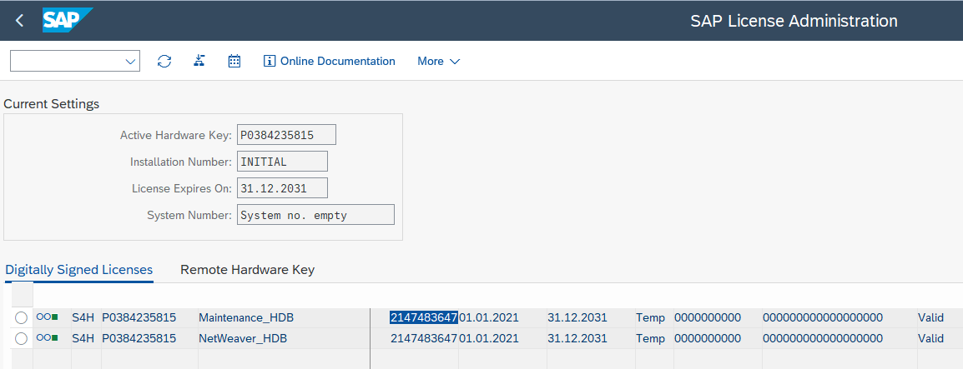
Enter the command saplikey pf=<profile> -temp <product>

Trans | SLICENSE
Product | P0384235815
su s4hadm
cd /usr/sap/S4H/SUM/abap/tmp | File: /usr/sap/S4H/SUM/abap/tmp/dev_hwid
/usr/sap/S4H/D00/exe/saplikey pf=/usr/sap/S4H/SYS/profile/S4H_D00_vhcals4hci -temp P0384235815

ERROR => 20 likey_admin_clt: Couldn't open file "dev_hwid" (Permission denied)

/usr/sap/S4H/D00/exe/saplikey pf=/usr/sap/S4H/SYS/profile/S4H_D00_vhcals4hci -get

Report Source Code | LIMU | REPS | LSKEYF00
Function Module | LIMU | FUNC | SLIC_LIKEY_CHECK
Function Module | LIMU | FUNC | SLIC_GET_LICENCE_DATE
Function Module | LIMU | FUNC | SLIC_LIKEY_GET_ALL_LICENSES
Report Source Code | LIMU | REPS | MS380I10
Report Source Code | LIMU | REPS | RSICC000

SAP Hana Database HDB - How To Extend License Key
Hardware key | L0099094227
System ID | HDB
 | Login to the database host with sidadm user. Go to HDBSQL with SYSTEM user. Once you are in HDBSQL, you will see message that * 437: only commands for license handling are allowed in this current state SQLSTATE: HY000 Switch ON multi line mode with command \mu ON Use command SET SYSTEM LICENSE ‘<Copy paste your text from license file>’ to install license.
 | SELECT * FROM M_LICENSE

1.Rename the SAP Hana System database (from HDB to HD2) | cd /hana/shared/HDA/hdblcm | Using the same DB Id does not reinstall the temporary license
 | ./hdblcmgui | Rename DB Id back to HDB does not work, then use a new DBID "HD2"
 | Rename the SAP Hana System database (from HDA/03 to HDB/02) | No need to change date back even database is already expired
 | Target database ID: HDB, other settings keep the same
 | Password: Use the same | Pajoja2930 (hdbadm), instance 5
 | Keep Source system administrator: Leave blank
Issue with trans "./hdblcmgui" when IP was incorrect | Physical hostname 'vhcals4hci' doesn't resolve to a local ip address. Tcp port '50213' is already in use by process: /usr/sap/HDB/HDB02/exe/sapstartsrv pf=/usr/sap/HDB/SYS/profile/HDB_HDB02_vhcals4hci -D -u hdbadm (pid = 2016, user = hdbadm) Tcp port '50214' is already in use by process: /usr/sap/HDB/HDB02/exe/sapstartsrv pf=/usr/sap/HDB/SYS/profile/HDB_HDB02_vhcals4hci -D -u hdbadm (pid = 2016, user = hdbadm) | Check if IP address is determined -> restart server

SAP S4H - How To Extend License Key
Solution: Rename the hostname (not required to change hostname, just use the same)
Step | Transaction/Action | Comments
Change hostname files | File in /etc/hosts | 192.168.152.135 vhcals4hci.dummy.nodomain vhcals4hci - not required
 | File in /etc/hostname | vhcals4hci - not required
Start system database | /usr/sap/hostctrl/exe/sapcontrol -nr 02 -function Start
Call SAP installation tool SPWM | cd /install
 | ./sapinst SAPINST_USE_HOSTNAME=vhcals4hci SAPINST_ACCEPT_INTERNAL_SIGNATURE=true
 | https://vhcals4hci.dummy.nodomain:4237/sapinst/docs/index.html | User: root
 | Select "System Rename->Standard System->SAP System rename
 | SAP System Id: S4H
 | Target SAP System Id: S4H
 | Ignore prerequisite checks
 | Click Next to confirm Target system hostname | Target hostname the same as source
 | Instance number of Hana database: 02
 | Password: Pajoja2930
 | Untick to not change schema password
 | Schema Password: Pajoja2930
 | Secure Storage Indvidual Key Information: Choose Default key
 | Existing Licenses (leave default) - do not tick "Keep existing licenses"
 | Ignore profile warnings

NEW METHOD- SAP Hana Database HDB - How To Extend License Key
Note: Use this method if rename database dows not work
1-Create New Database ID (Example HDA/03) - see steps in tab "Install steps" (STEP 2: SAP HANA DATABASE)
cd /sapmedia/HANA2_53
./hdblcmgui
Choose Install New system
Single-Host system
SAP Hana System Id | HDA
Instance number | 03
Username | hdaadm
Passwords | Pajoja2930
Requirement: Start Message server (02+01)
2-Copy refresh/move Database instance - see steps in tab "Install steps" (STEP 3: SAP S/4HANA INSTALLATION USING SWPM) - It will move S4H installation into the new Database Id HDA using the backup file
cd /install
./sapinst SAPINST_USE_HOSTNAME=vhcals4hci SAPINST_ACCEPT_INTERNAL_SIGNATURE=true
SAP S4 Hana Server 2020->SAP HANA Database->System Copy->Target System->Standard System->Based on AS ABAP->Refresh or Move Database instance
Parameter mode = Custom
Profile | Untick the profile usage
Restore manually | Leave it unticked
Instance number | 03
Database id | HDA
Package path | /sapmedia/download/k
Databasesid | hdaadm
Pass | Pajoja2930
Backup location | /usr/sap/HDB/HDB02/backup/data
Backup prefix | COMPLETE_DATA_BACKUP
Remember to start new instance with "03" instead of "02"
/usr/sap/hostctrl/exe/sapcontrol -nr 03 -function Start
3.-Delete instance "02":
cd /sapmedia/HANA2_53
./hdbuninst | select the instance to be deleted
4.-Rename database HDA/03 to HDB/02 | See steps above ("1.Rename the SAP Hana System ")
5.-Reboot server | Not required
6.-Rename SAP instance S4H to S4H | See steps above ("SAP S4H - How To Extend License Key ")

Linux Name
/etc/lsb-release , /etc/os-release , and /etc/upstream-release/lsb-release
/etc/issue
/etc/motd
Apart from that, there are also 3 files you may explicitly want to change, them being /etc/issue (perhaps /etc/issue.net too), /etc/os-release and /etc/lsb-release, with the last one need to be changed to change the GRUB listing for your distro. Be sure to checkout /etc/default/grub for the line GRUB_DISTRIBUTOR. It should be something like GRUB_DISTRIBUTOR=lsb_release -i -s 2> /dev/null
cat /etc/os-release

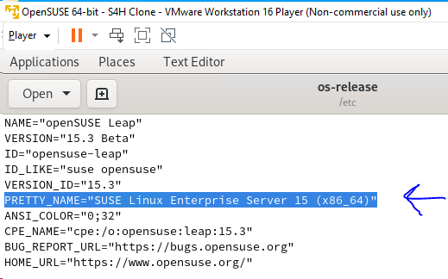
Workaround: To disable the alert, you can execute the following command on the SYSTEMDB: UPDATE _SYS_STATISTICS.STATISTICS_SCHEDULE SET “STATUS” = ‘Inactive’ where “ID” = 100; In SAP HANA Cockpit 2.0, you can disable the alert with below steps: Open the SYSTEMDB resource of your SAP HANA installation In the Alerting and Diagnostics tile, click Configure alerts Search for 100 Click Edit In the Schedule area, click Schedule Active, to disable the alert Click Save

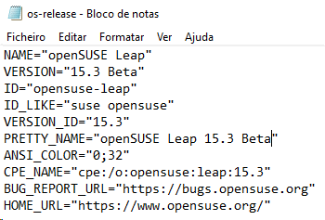
SAPMS380
MS380I10
RSICC000 (Trans SICK/SM28)

Change file "/etc/os-release" : PRETTY_NAME="SUSE Linux Enterprise Server 15"

NEW STRATEGY
License expires every 3 months

Step | Description | Comments
1 | Export Client 100 with Customizing and Data (S4VM machine)
2 | Uninstall SAP instance S4H/00 and Database HDB/02 (S4VM 2 machine)
3 | Install S4H and HDB (S4VM 2 machine)
4 | Import client 100 into new installation (target 100) - (S4VM 2 machine)

Step 1 | Export Client 100 with Customizing and Data (S4VM machine)
1 | SCC_CLIENT_SIZE - Determines the size of a client | Determines the size of a client - due to HANA compression, this is only an approximation if more than one client is filled. The tool also supports selective size determination for specified tables. Estimate: 2.164,34 MB + Cross client ?
2 | SM37 - Delete all released background jobs and ensure that there are no background jobs running in source during copy
3 | SM13 - Ensure there are no updated errors of source client
4 | SM12 - Check for database deadlocks, delete if existing
5.A | SCC8N - Export a client to a transport request (Mention target system into which the client should be copied). Target: S4H, Source client: 100, Profile: SAP_ALL (All Client-Specific Data w/o Change Documents), tick on; Lock Source Client, Tolerate Failed Exits, Release => Execute as tasklist | maximum 3 transport requests will be created and automatically exported to target system mentioned. The requests are like <sid>KO<No> - For cross client data <sid>KT<No> - For client specific data <sid>KX<No> - for client specific texts . Duration: 1H:40min
5.B | SCC8 - Export a client to a transport request. Profile: SAP_EXPA (SAP_ALL with Cross-Client Customizing) | The new transaction triggers an error when using profile SAP_EXPA. Duration: 2H:10min (35 min with the new SSD disk)
6 | SE01 - Once above TRs got created, all of them automatically released and exported to a larger system. This can be checked in SE01 or SCC3
7 | Transport data stored in folders: /usr/sap/trans/data and /usr/sap/trans/data/cofiles | folder cofiles: KX00004.S4H, KT00004.S4H, KO00004.S4H. Folder data: RX00004.S4H, RT00004.S4H, RO00004.S4H
8 | Export user favorites
Step 2 | Uninstall SAP instance S4H/00 and Database HDB/02 (S4VM 2 machine)
1 | /usr/sap/hostctrl/exe/sapcontrol -nr 02 -function Start
2 | /usr/sap/hostctrl/exe/sapcontrol -nr 02 -function GetProcessList
3 | cd /install
4 | ./sapinst SAPINST_USE_HOSTNAME=vhcals4hci SAPINST_ACCEPT_INTERNAL_SIGNATURE=true
 | https://vhcals4hci.dummy.nodomain:4237/sapinst/docs/index.html
 | Generic options->SAP Hana Database->Uninstall->Uninstall SAP Systems or Single instances
4.B | cd /sapmedia/SAP_HANA_DATABASE | Remove Hana database with this option if connection fails
 | ./hdbuninst

Step 3 | Install S4H and HDB (S4VM 2 machine)
1 | cd /install
 | Add new file "/etc/SuSE-release" with below contents: SUSE Linux Enterprise Server 15 (x86_64) VERSION = 15 PATCHLEVEL = 2 | for OpenSuse installation (link: https://answers.sap.com/questions/334633/software-provisioning-manager-sp21-unsupported-dis.html)
2 | Copy "new kernel" and "new File" versions before starting installation - See corresponding tab for details
 | Check/Update VMWare Port forwarding - See tab VMWare
3 | ./sapinst SAPINST_USE_HOSTNAME=vhcals4hci SAPINST_ACCEPT_INTERNAL_SIGNATURE=true | Install steps line 58
 | https://vhcals4hci.dummy.nodomain:4237/sapinst/docs/index.html
 | Parameter mode: Custom
 | keep FQDN checked
 | Parameters
 | Database Host vhcalhdbdb
 | Instance Number 02
 | Database ID (DBSID) HDB

 | Sap host vhcals4hci
 | Sap id S4H
 | Ascs instance 01
 | pass: Pajoja2930
 | Keep Hana Secure user store
 | checkmarks at Install integrated web dispatcher and Install Gateway integrated in ASCS instance
 | Configure HTTP port: Yes
 | Secure storage key generation: Default key
 | Yes, clean up operating system users
 | /usr/sap/HDB/HDB02/exe/hdbnsutil: error while loading shared libraries: libatomic.so.1: cannot open shared object file: No such file or directory
 | Install library from internet using OpenSuse 15.2 | https://software.opensuse.org/package/libatomic1?
 | Restart operating system if fails to clean up old installation, then resume installation
4 | Install "New Kernel" - See corresponding tab for details
5 | Install "SAP Fiori" component - See corresponding tab for details
6 | Install VCH as described in tab "Install steps" - step 7
7 | Install Hana studio as described in tab "Install steps" - step 9
8 | Install note 2957874 with snote (step 7)
9 | Using SFW5, Activate Enterprise Business Functions as described in tab "Install steps" - step 7
Step 4 | Import client 100 into new installation (target 100) - (S4VM 2 machine)
1 | Login in client 000 (user DDIC) | Log on to target system, create a new client 100 in target system using SCC4 tcode. Then logon to that new client execute STMS tcode
2 | SCC4 - create client 100 - client role Test, protection level 0 | Client role Test. Automatic recording of changes
3 | Create logical systems S4HCLNT000 and S4HCLNT100 - Trans BD54
4 | Assign logical systems to the clients
5 | STMS - Setup transport system
6 | SU01 - create user SILVA
7 | Login in client 000 (user SILVA)
8 | SCCLN - Copy client 000 to 100 (User master and roles) - profile SAP_USER, use only 1 process to avoid dump | Duration: 30 min
9 | Login in client 100 (user SILVA)
10 | Vmware VM: sudo vmhgfs-fuse -o allow_other .host:/S4HANA /mnt | Mount shared folder
11 | Copy Transport data from S4VM machine into "S4VM 2" machine. Files in folders: /usr/sap/trans/data and /usr/sap/trans/data/cofiles
12 | cd /usr/sap/trans/data
13 | chmod 0777 * | Already ok
14 | cd /usr/sap/trans/cofiles
15 | chmod 0777 * | Already ok
16 | STMS - Import transport requests | Duration: 2H (Opensuse: 18H)
17.A | SCC7N - Client Import Postprocessing - Not working | Run Client Import Postprocessing after importing an exported client into a local system
17.B | SCC7 - Client Import Postprocessing | Run Client Import Postprocessing after importing an exported client into a local system. Duration: 10min (OpenSuse:15min)
 | We can delete the client using SCC5 transaction code
18 | SCC4 - Assign logical systems to the clients
19 | Error in activation SAP_BW_SETUP_INITIAL_S4HANA - Execute step described in tab "RFC BGRFC_SUPERVISOR"
20.A | Transport Fiori contents ? How to do it
20.B | Execute STEP 8: Rapid Activation for Fiori
21 | KEA0 - Regenerate Operating concern A000 | Dump in creating Sales order
22 | /N/IWFND/V4_ADMIN - Select publish service groups and add system alias as local When adding the service ID select the 'Get Service Groups' button and highlight the row that says /IWNGW/NOTIFICATION Once the row is highlighted select the 'Publish Service Groups' button and proceed Finally you should be able to view the available services and run a connection test | No service found for namespace /IWPGW/, name TASKPROCESSING" - See Note 2403296
23 | /IWFND/MAINT_SERVICE - Select the Activate and Maintain Services activity. Choose Add New Service. The Add Service screen is displayed. In the System Alias field, use input help (F4) and select the system alias you have created. Press Enter. The Add Service table is populated. In the Technical Service Name column, double-click /IWPGW/TASKPROCESSING. The Add Service screen is displayed. Copy (or make note of) the name that is displayed in the Technical Model Name field. You need this to assign the software version to the service. In the Package field, enter the package to which you want to assign the service for transportation from one system to another. If you do not want the service to be transported, enter $TMP as the package name and the service will be created locally. Choose the checkmark. The Activate and Maintain Service screen is displayed. In the ICF Nodes section, ensure the ODATA node status is set to Active. In the System Aliases section, ensure that the correct system alias is displayed | No service found for namespace /IWPGW/, name TASKPROCESSING"
 | /IWFND/MAINT_SERVICE - Add service "/AIF/CONF_REC_ASSGN_SRV" | No service found for namespace '/AIF/', name 'CONF_REC_ASSGN_SRV', version '0001'
 | /IWFND/MAINT_SERVICE - Wrong Alias assigned to service /IWPGW/TASKPROCESSING - Assign only alias "LOCAL_TGW" and delete other alias assignments | My inbox error "Task facade not implemented for provider"
 | SMQS - Register queue destination S4HCLNT100 . See tab "EWM"
 | Define own business system S4H_100 . See tab "EWM"
 | SMQR - Register inbound queues: DLV*, DLW*, EWM*, MMPUR_*, PR*. WM*, X*
 | SMQS
 | SMQE
 | /IWFND/MAINT_SERVICE - Activate the ICF node for Service 'PP_KAB_SET_KANBAN_CTN_STATUS_SRV_01' | ICF node for Service 'PP_KAB_SET_KANBAN_CTN_STATUS_SRV_01', Namespace '/SAP/' not available under node 'odata'
 |  | Vocabulary Annotation File 'PP_KAB_SET_KANBAN_CT_ANNO_MDL_01' version '0001' not found on SAP GW Server

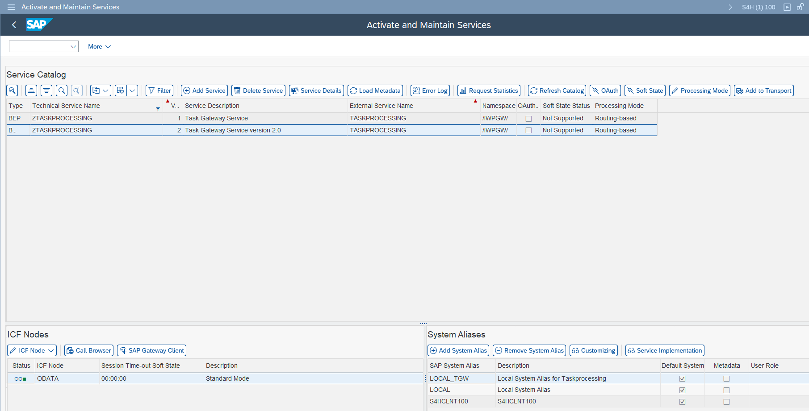

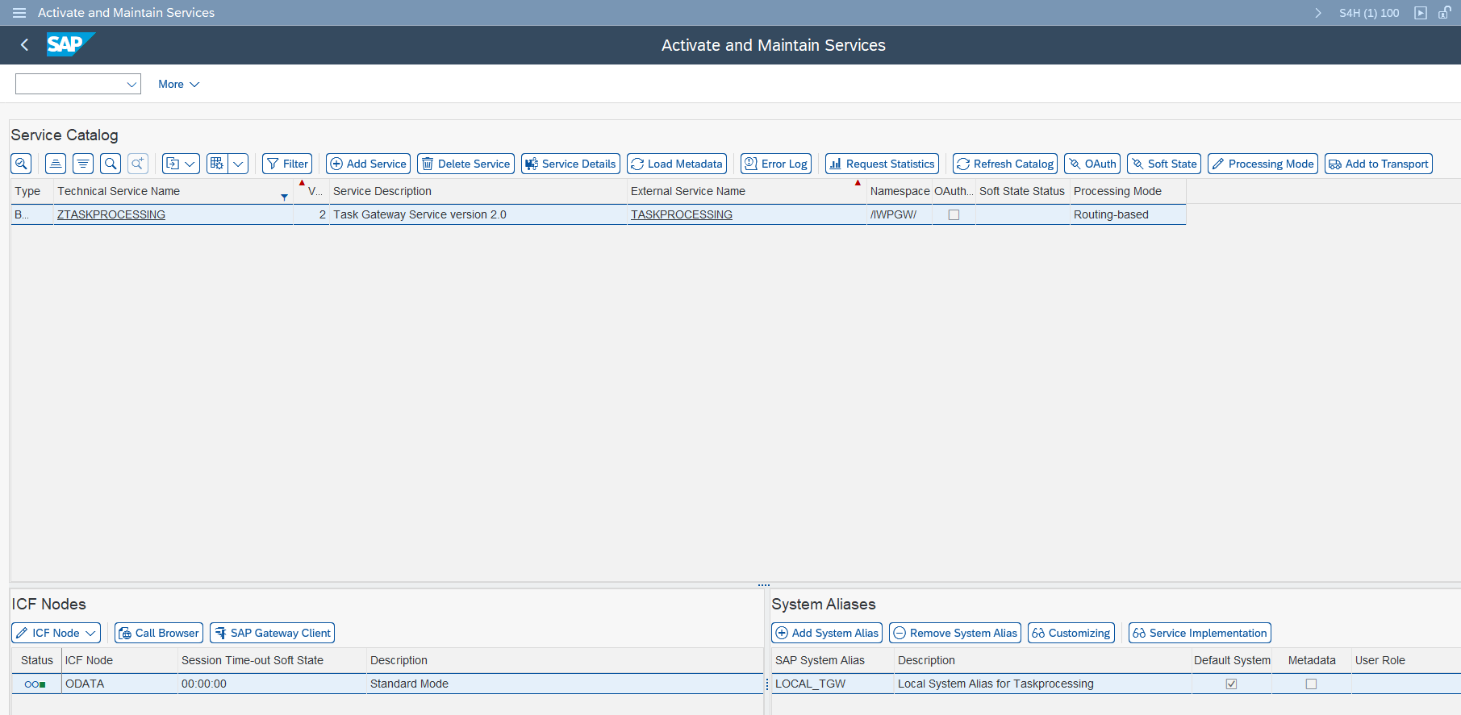
 | SLES 15

 | R3TR" "TABU" "/1CN/CPHPHU00001"
 | R3TR" "TABU" "/1CN/CPHPHU00002"
 | /1CN/CPWPWO00001"
 | Table /1CN/CPHPHU00001 does not exist or is not activated
 | Table /1CN/CPHPHU00002 does not exist or is not activated
 | /1CN/CPWPWO00001 does not exist or is not activated

 | SLES15 SILVA P..3029

Secure storage key
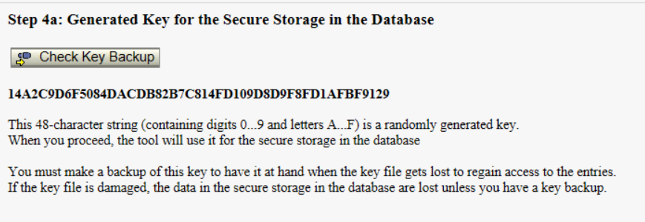
Key ID: 20201213_222607_S4H_INSTALLER
Key Value: 016C1C9CC32E3E291EA00AD16C14E58D041D8058635A9B3CCFFE49927C

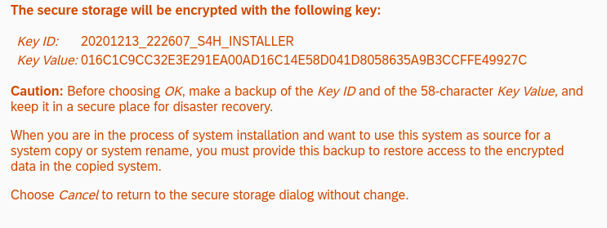

Diogo Machine
Key ID: 20201214_115456_S4H_INSTALLER
Key Value: 01CB0A8086A7998C2964F3CF4DD0F74A213029FAB3B89B1B447AB55007

Open Suse instalaltion
Trans SECSTORE
14A2C9D6F5084DACDB82B7C814FD109D8D9F8FD1AFBF9129

RFC BGRFC_SUPERVISOR
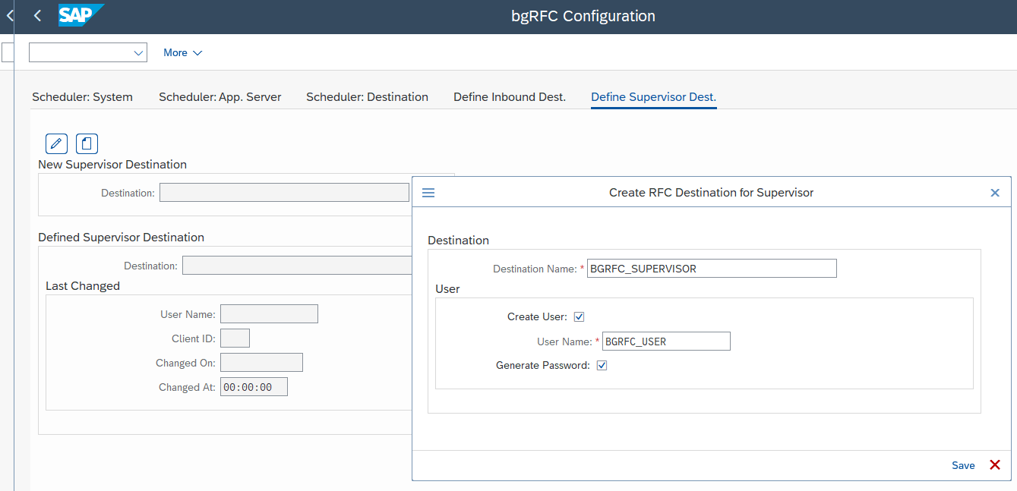
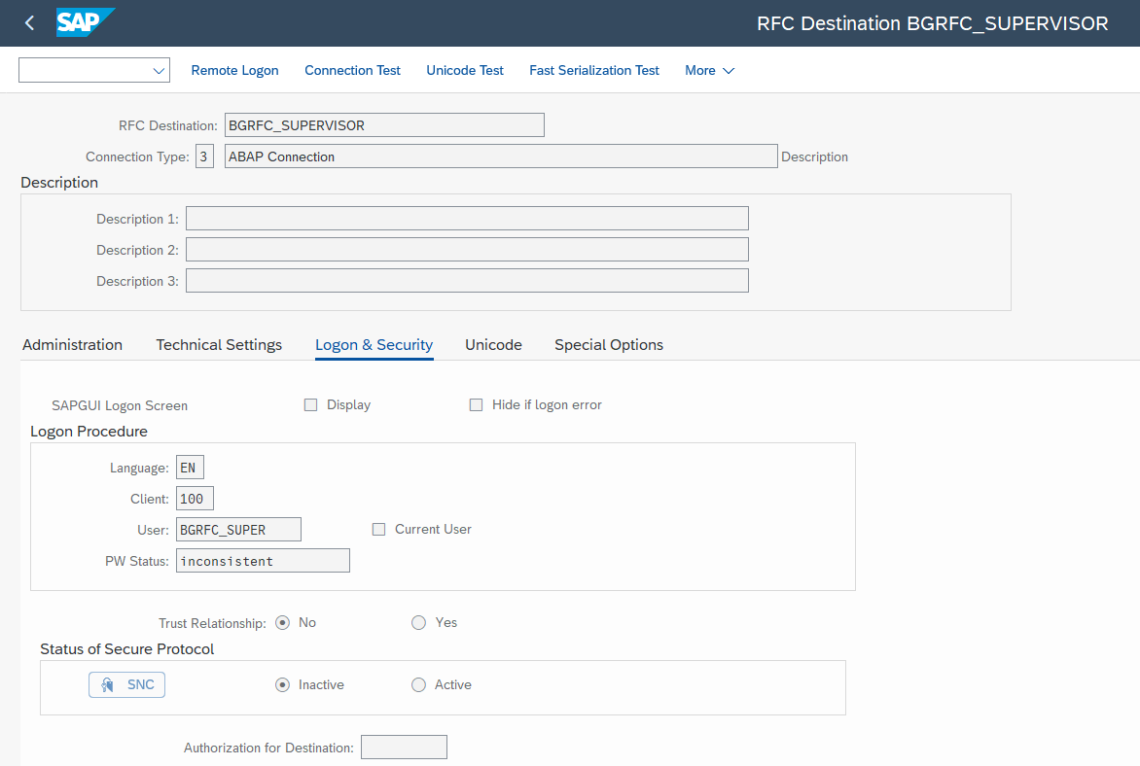
Issue | Password not in secure storage
RFC | BGRFC_SUPERVISOR | Before deletion:
User | BGRFC_USER

SM59 - Delete RFC BGRFC_SUPERVISOR
SBGRFCCONF - Reccreate RFC BGRFC_SUPERVISOR and user BGRFC_USER

NPL Renew License
ABAP License key

Start the SAP system: Switch to user npladm with default password Appl1ance in the console : su npladm

Start the SAP system : startsap ALL

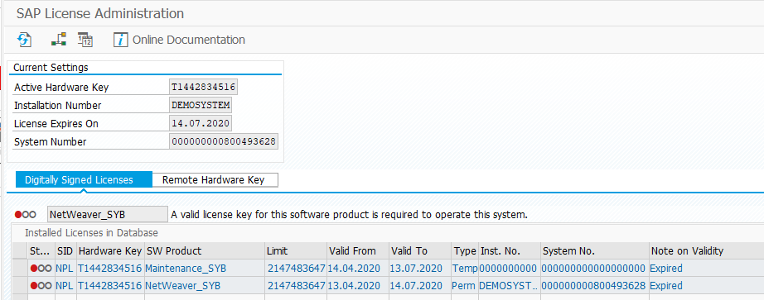
Log on to the system, client 000 as user SAP* with default password Down1oad.

In transaction SLICENSE , ascertain your hardware key.

Link: https://go.support.sap.com/minisap/#/minisap

Request the license key for your trial version at SAP Sneak Preview License Key Request.

Select NPL – SAP NetWeaver 7.x (Sybase ASE) as System ID.

Enter your personal data and agree to the License Agreement.

Choose Generate bottom right corner of screen.) The web site automatically generates a .txt file for this system/key.

Download and save this file, eg on the desktop for convenience.

Go to transaction SLICENSE and install the license file: In the tab Digitally signed licenses, delete the existing license, then choose Install.

This opens the text file you got and installs the new license key. Please note that all the above steps must be carried out; otherwise, the above user key will not work. The system type changes to Demo.

You can now explore the demo scenarios and develop using the ABAP tools in Eclipse and new features like the core data services or SAPUI5 UIs. Renewing your license Many of you have asked about this: Yes, you can apply for a new license. Just use the same procedure as above.

In theory, indefinitely, however, the ASE and HANA licenses last for about a year (It's only 3 Month!!!).

IMPORTANT: To use the developer key that we provide, you MUST delete your old license before you install the new one (as described in step 4 above). Otherwise, the system will generate a different license that no longer matches our pre-configured dev. key.
see https://wiki.scn.sap.com/wiki/pages/viewpage.action?pageId=526880970

EWM
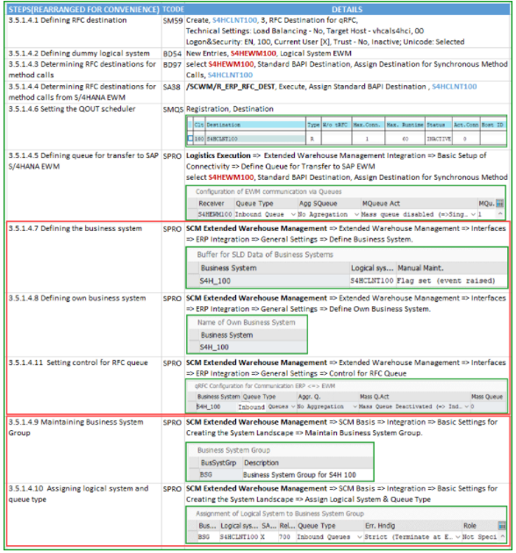

SAP ADS Adobe Services
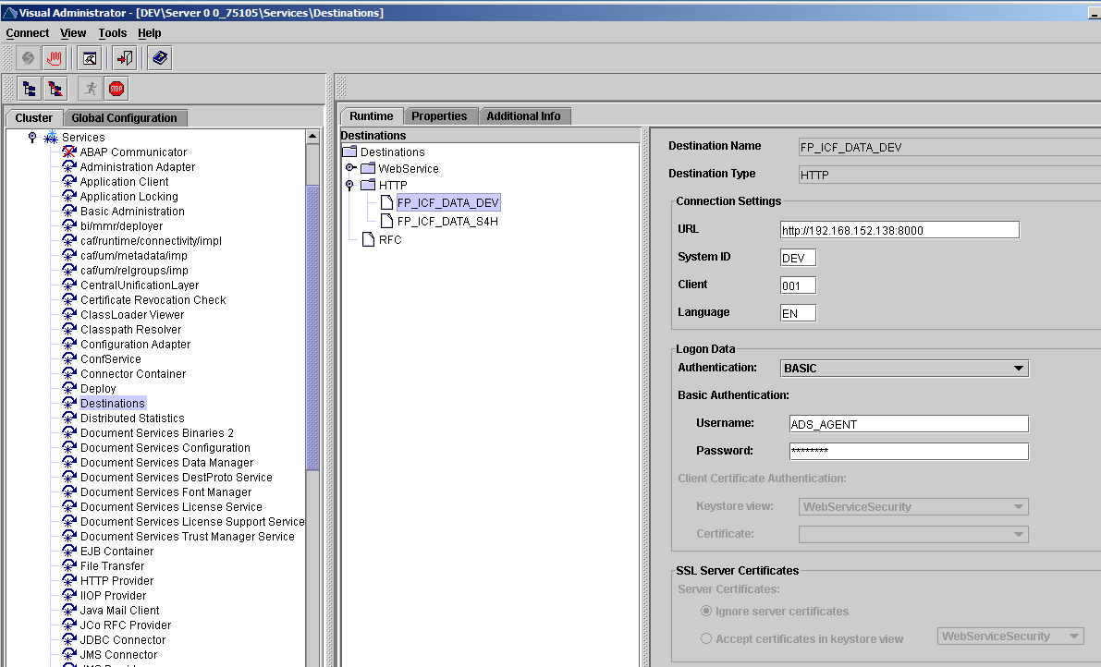
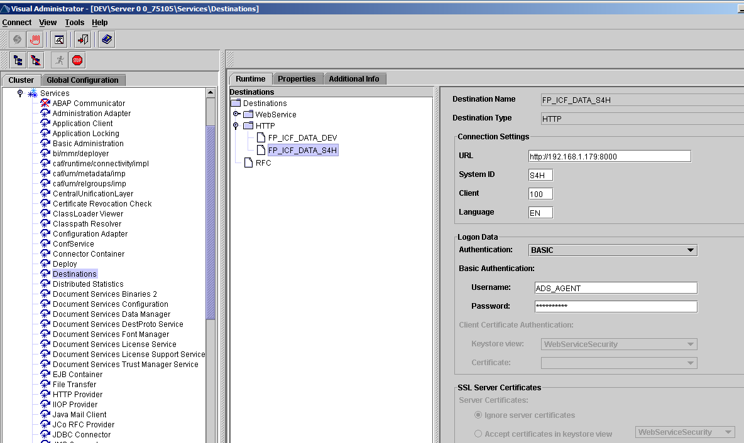
Adobe Document Services (ADS) Setup
See Guide: D:\FF\SAP\S4HANA\OutputManagement BRFPlus\Installation Guide - Adobe Document Services_0_.pdf
https://blogs.sap.com/2016/11/02/ads-configuration-in-netweaver-7.5/

Prerequisites
1) SAP Netweaver 7.5 As Java System (ADS should be installed)
2) SAP S4HANA system

Step | Link / Transaction | ECC VM | Comments
Login in Portal system (SAP Netweaver Java). User J2EE_ADMIN, Pass P..29 | http://linux.ms.com:8000
 | http://192.168.1.200:8000/index.html | http://192.168.152.138:8000/index.html
Create ADSUSER and assign the SAP_ADSCALLER and SAP_ADSMONITOR in the role tab | User Management
Login to S/4HANA System and enter transaction “SM59” to maintain RFC Connection "ADS". enter the user created in portal system: "ADSUSER". Pass: P..29 | SM59
Go to PFCG tcode and create an empty role named as ADSCALLERS | PFCG
create a user account in SU01: ADS_AGENT (The user should be system user) - generated password | SU01 |  | user type used "service" like in ECC
Assign the roles ADSCALLERS, SAP_BC_FPADS_ICF and SAP_BC_FP_ICF | SU01 | Required | red roles not assigned in ECC
Activate the service in SICF: Now open transaction “sicf” and Service Name as “fp” | SICF | Required
Configuring: ADS to ABAP
Go to portal page (From SAP NetWeaver 7.1) | http://192.168.1.200:8000/index.html
Up to SAP NetWeaver 7.0x: Call the Visual Administrator and navigate to Services -> Destinations -> HTTP | C:\usr\sap\DEV\DVEBMGS00\j2ee\admin\go | Required (see example screenshots below)
Visual Admin connect. User J2EE_ADMIN. Pass ??
User J2EE_ADMIN - Reset password in SAP using SU01
Check ADS installation | http://192.168.1.200:8000/AdobeDocumentServices/Config | http://192.168.152.138:8000/AdobeDocumentServices/Config
Check whether the entry FP_ICF_DATA_<SID> exists and is entered correctly
Destination Type: HTTP destination Enhance the entry in the field URL under Connection Settings (SAP NetWeaver 7.0x) or Connection and Transport (SAP NetWeaver 7.10 and higher) to: http://<server>:<port>/sap/bc/fp/form/layout/fp_test_00.xdp. The existing entries <server> and <port> refer to the AS ABAP. The ABAP HTTP port is provided in transaction SMICM; choose Goto -> Services. b) Up to SAP NetWeaver 7.0x, choose "Save and Test"; as of SAP NetWeaver 7.10, choose "Ping Destination". c) The system calls the ABAP system that stores the form templates. If the settings are correct, the system issues the message: "HTTP GET response code 200 Content Type text/xml." • -> If you use scenarios with an interactive PDF, proceed with point 5. For print forms, proceed with point 6.

Create a new destination with destination name FP_ICF_DATA_<SID> with destination type as HTTP SID is of S4HANA system | http://192.168.1.200:8000/sap/bc/webdynpro/sap/appl_soap_management?sap-language=EN
Maintain the connection URL along with port of http service of ABAP System. | http://192.168.1.200:8000/nwa
Maintain details of ADS_AGENT user details which was created in ABAP System. | http://192.168.1.200:8003/nwa
Also, open SLD functions with the following URL http://host:port/sld/fun
click on enable automatically | http://<host>:<port>/AdobeDocumentServices/Config
Also, login to NWA… Select SOA Management -> Technical Configuration -> Destination Template Management.
...
Deploy and Change
NW: ADS = AS ABAP (Generic Adobe ABAP Print Forms): Maintain

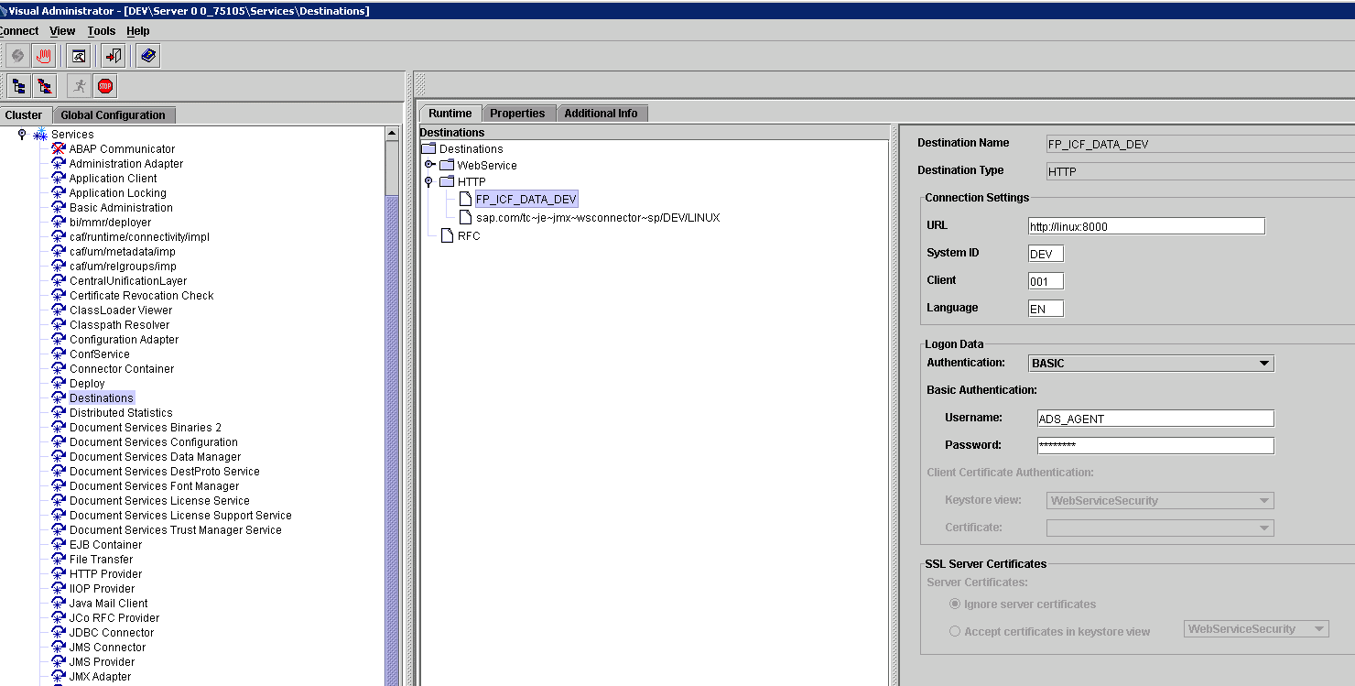

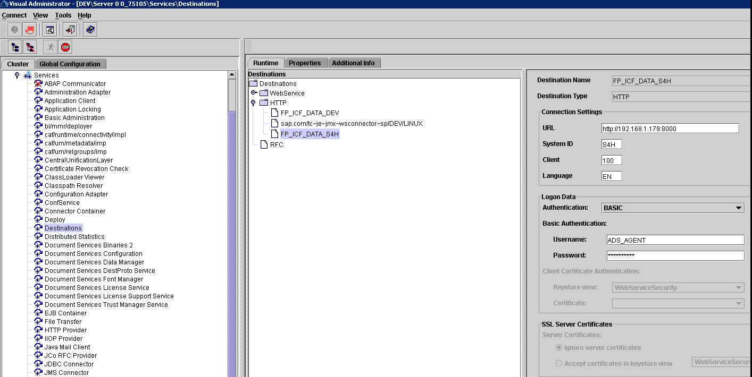

RFC Destination (S4H)

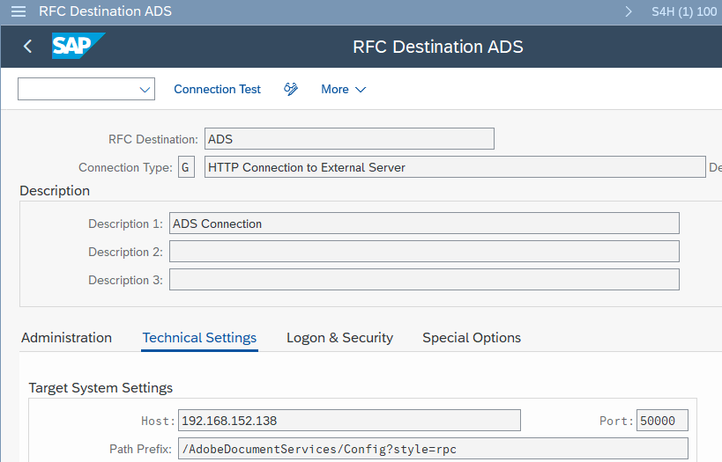

RFC Destination (DEV) - Virtual machine in VMWare

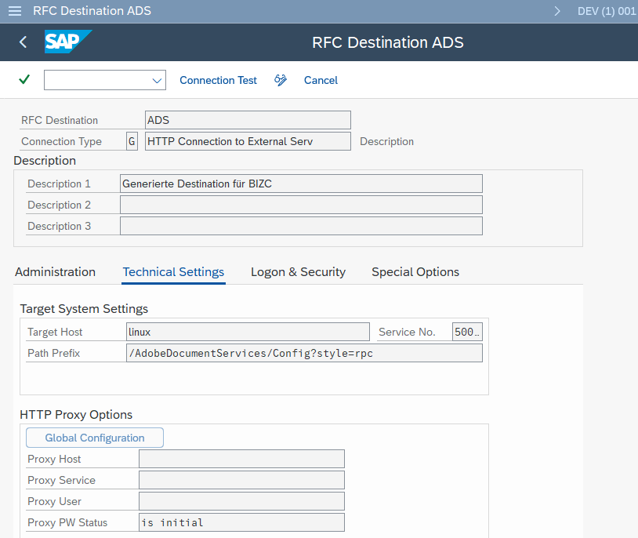

Destinations (DEV VM)

Printer setup
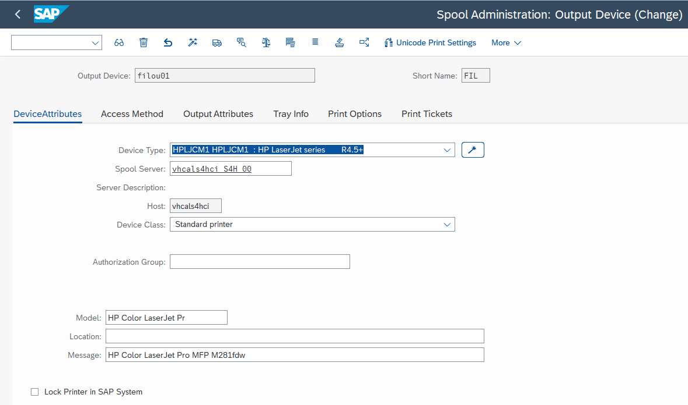
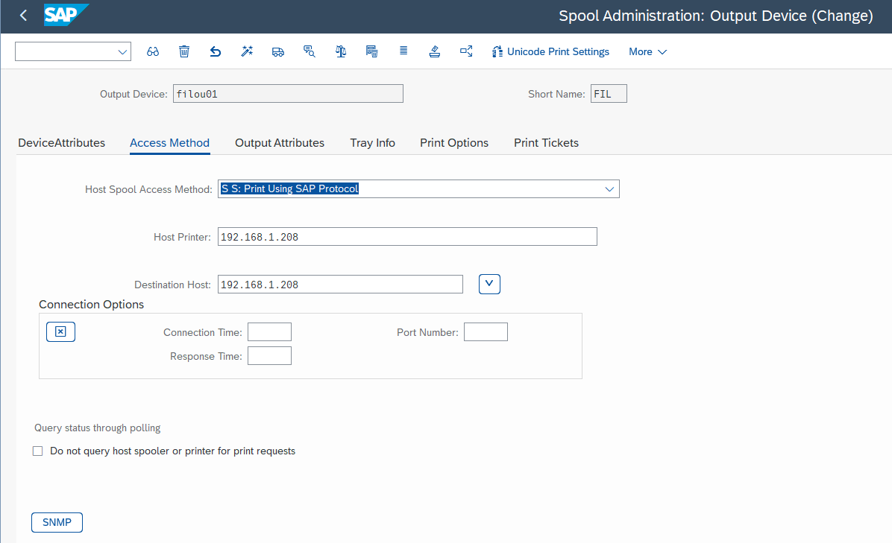
...
1. Select the Device Type radio button.
SAP Note: (1103826) Printer is missing in the Device Type Selection Wizard
SAP Note: (1036961) Device type selection wizard in transaction SPAD

Trans SPAD

VMWare v2 and Firewall
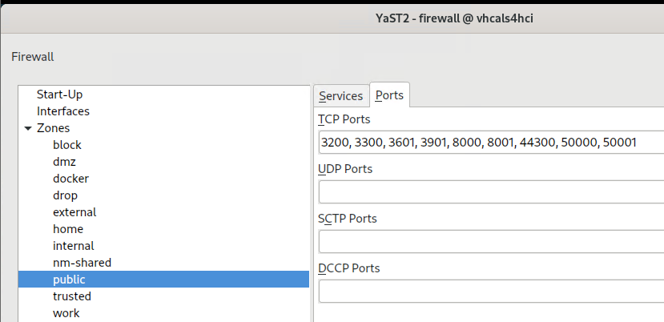
FIREWALL
zypper install HANA-Firewall | install package
disable firewall or enable ports
firewall-cmd --list-all | display current rules
default zone is public
Open ports with Yast firewall tool app
3200, 3300, 3601, 3901, 8000, 44300, 50000, 50001

VM Activation new version vmware 17 - Port forwarding
Edit-virtual network editor | administrator to allow edit
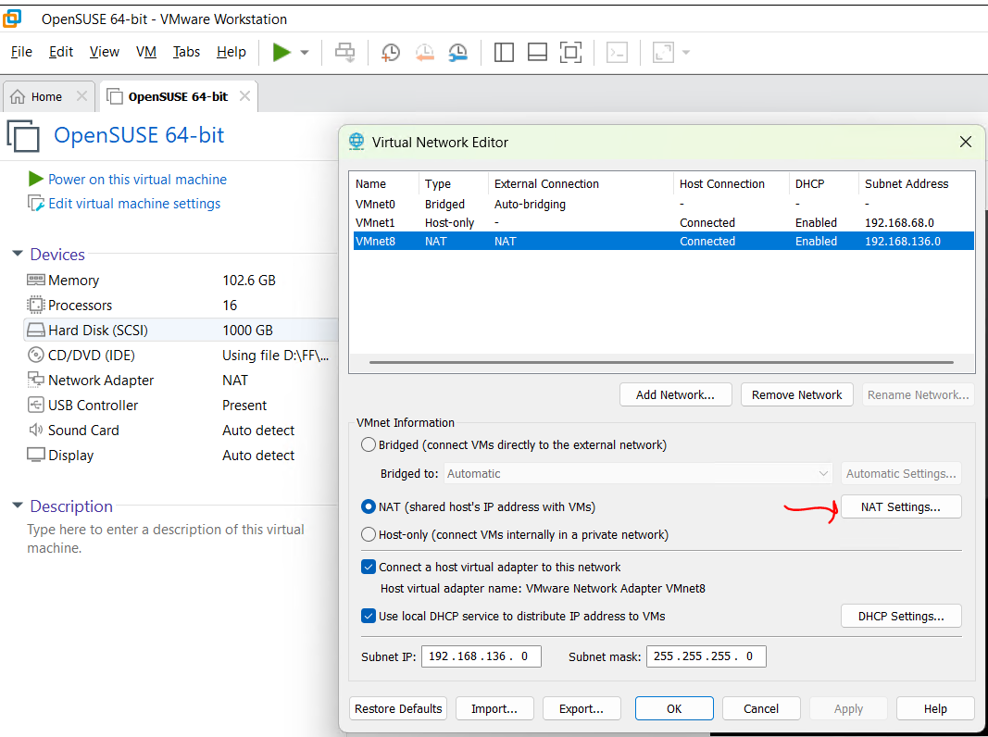
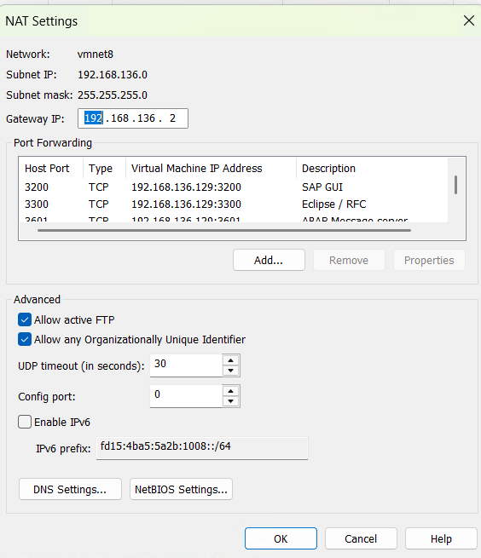

VM Activation old vmware version - Port forwarding
NAT configuration | S4 Hana OpenSuse (Clone) | ECC 6.0 | S4 Hana OpenSuse | Comments
VM IP | 192.168.152.135 | 192.168.152.138 | 192.168.136.129
Host IP | 192.168.1.96 | 192.168.1.96 | 192.168.1.71

Name | Port |  | Port
SAP GUI | 3220 | 3210 | 3200
Eclipse / RFC | 3300 | 3300 | 3300
ABAP Message server | 3601 | 3601 | 3601
...

RFC Connections SLES 15
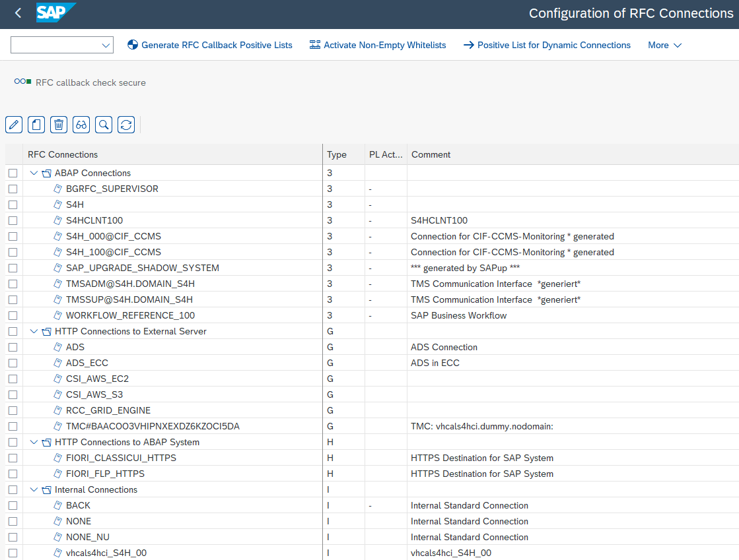

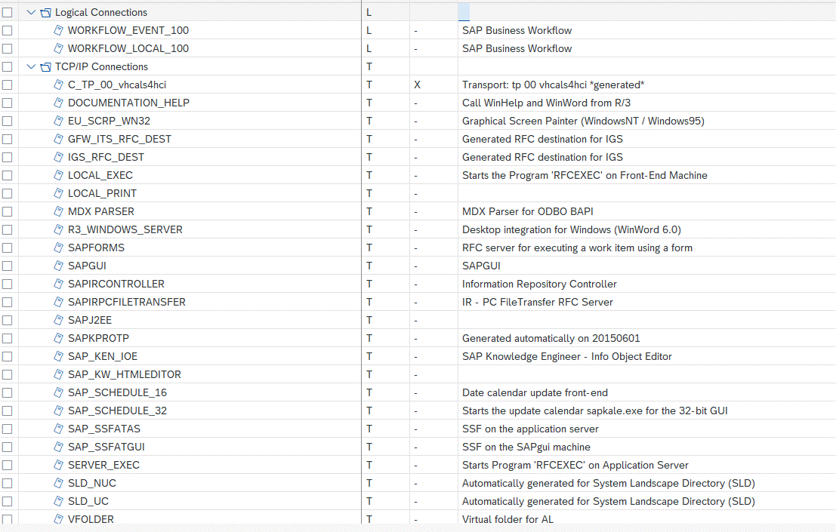

Fiori Certificate
...
https://192.168.1.96:44300/sap/bc/ui5_ui5/ui2/ushell/shells/abap/FioriLaunchpad.html?sap-client=100&sap-language=EN#Shell-home
https://vhcals4hci.dummy.nodomain:44300/sap/bc/ui5_ui5/ui2/ushell/shells/abap/FioriLaunchpad.html?sap-client=100&sap-language=EN#Shell-home

In windows - add in hosts file the IP address for
C:\Windows\System32\drivers\etc\hosts
192.168.1.96 vhcals4hci.dummy.nodomain
In Android mobile - edit hosts file require root or use software "Hosts Go"

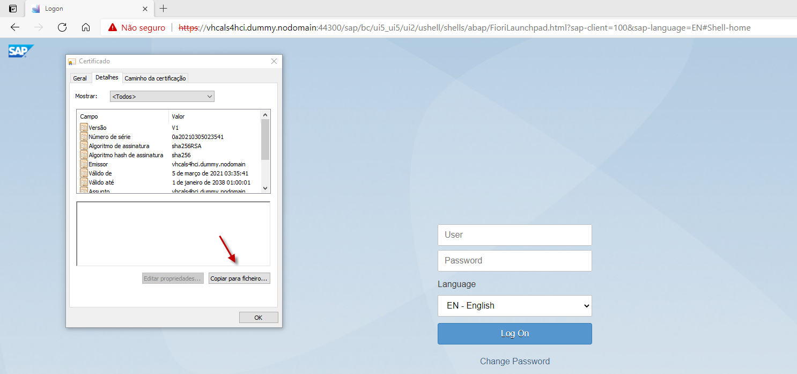
sapgenpse command to generate certificate request for existing PSE:
sapgenpse gen_pse -p SAPSSLS.pse -onlyreq -r certreq.txt
sapgenpse command to import certificate response:
sapgenpse import_own_cert -c certificate.cer -p SAPSSLS.pse -r rootCA.cer

After calling the link above in browser Microsoft Edge: download certificate into a file "D:\FF\SAP\S4HANA\FioriCertificate\S4H certificate.cer

TLS server certificate(s) from your own organizational CA

Install Certificate Authority Software
Solution | Comments
Option A - Use only OpenSSL in windows (No graphical)
Option B - Use tinyCA2 in OpenSuse
Option C - Use XCA in Windows | it is the solution currentlty used

Install Certificate Authority Software - Option A - Use only OpenSSL in windows (No graphical)
Install OpenSSL in windows to be CA (see tab OpenSSL for details)
Create folder "demoCA\newcerts" under "C:\Program Files\OpenSSL-Win64\"
Create empty file "index.txt" under "C:\Program Files\OpenSSL-Win64\demoCA"
C:\Users\fyicenter>copy CON demoCA\serial 1000 <Ctrl>-Z 1 file(s) copied. | Create serial file with 1000
Change config file "C:\Program Files\OpenSSL-Win64\bin\openssl.cfg" : Set optional countryName, stateOrProvinceName and organizationName
Becoming a (tiny) Certificate Authority ("MSCA") | Comments | Alternative
https://deliciousbrains.com/ssl-certificate-authority-for-local-https-development/ | link with all details
...

OpenSSL
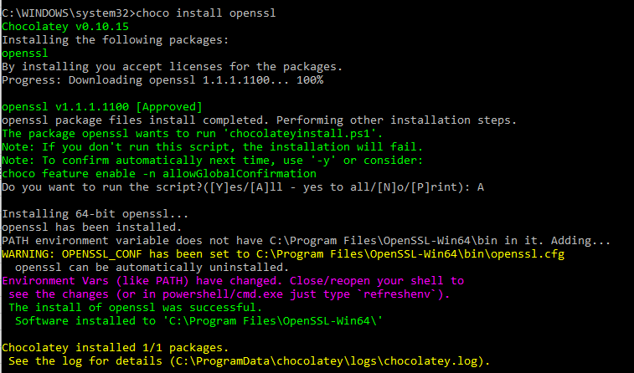
Choco is already installed in wndows then install OpenSSL with following command:
choco install openssl | installed version: v1.1.1.1100

